P3C1-Answer_Key_Detail
Answer key for the "Perfect Your Excel skills" training exercise, Part 3, Chapter 1

 | Conditional formatting of table 1

 | Step 1 | Select the cells in the "Change" column, and then click the "Conditional Formatting" icon, followed by "New Rule".
 | Step 2 | Fill in the rule as shown below:
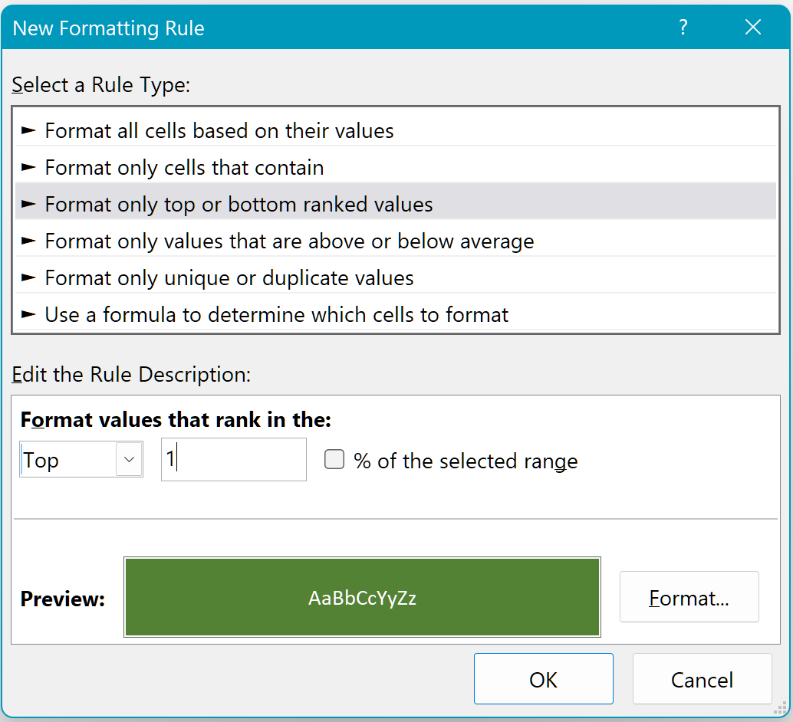

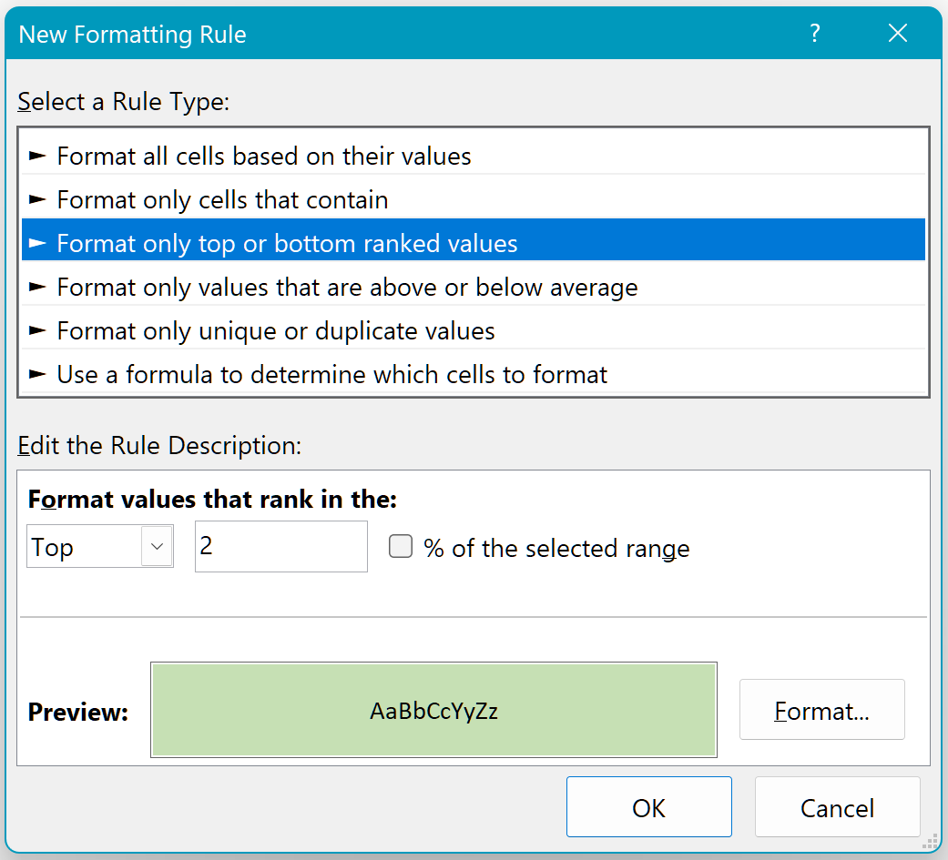
 | Step 3 | Set up a second rule, as shown below:

 | Step 4 | At this step, you realize that the result is not as expected. The second rule is overriding the first.
 |  | The trick is to change the priority of the two rules:
 |  |  | Click "Conditional Formatting", then on the "Manage Rules" command.
 |  |  | Select rule 1 and use the arrow to move it up one place:
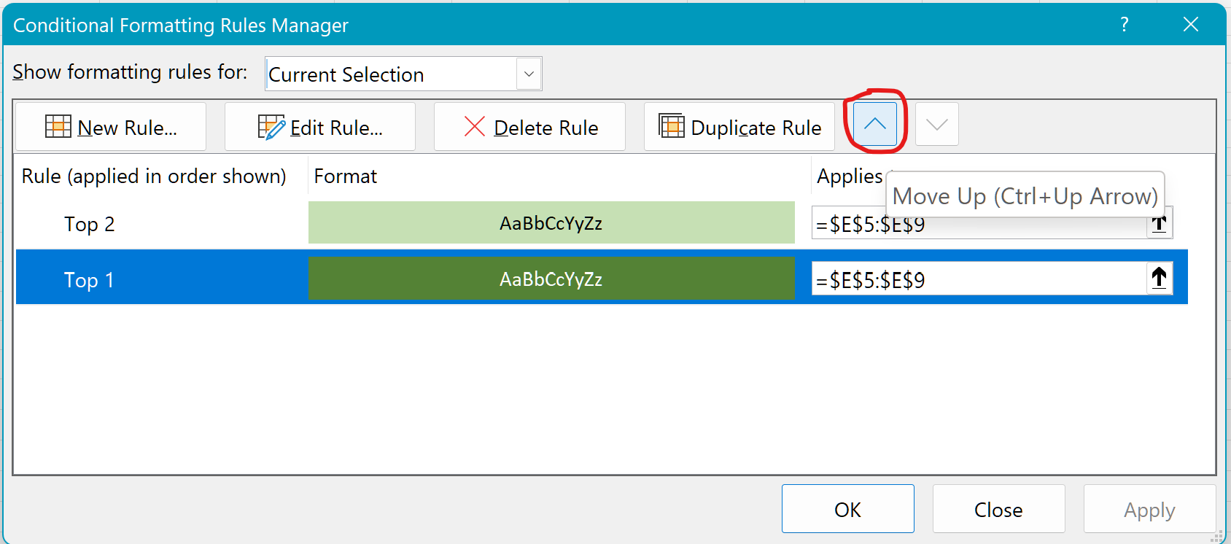

 | Step 5 |  | Click "OK", and ta-da!

 | Conditional formatting of table 2

 | Step 1 | Select the cells in the "Change" column, and then click the "Conditional Formatting" icon, followed by "New Rule".
 | Step 2 | Fill in the rule as shown below:
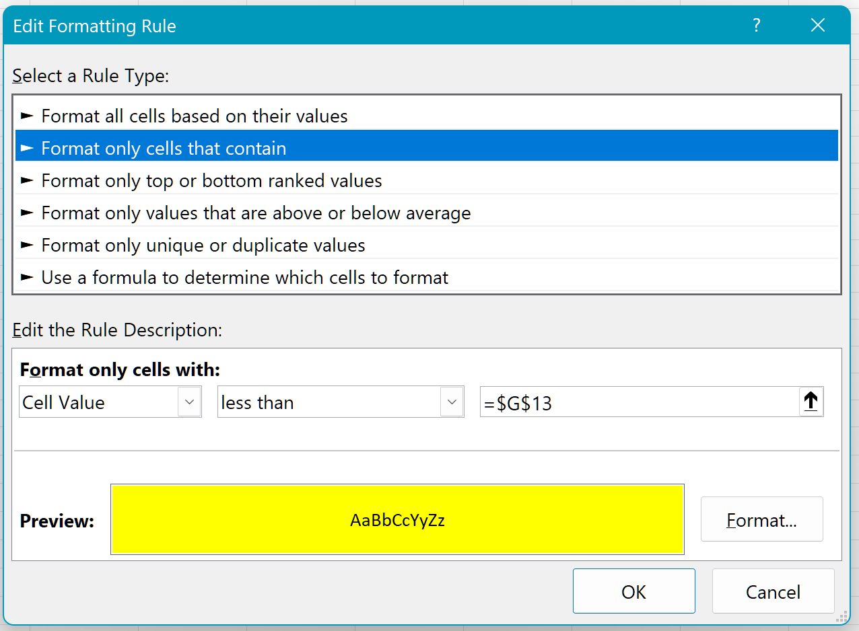

 | Step 3 | Ta-da! This method puts your reader in the driving seat of the worksheet layout ;-)

