P3C3-Answer_Key_Detail
Answer key for the "Perfect Your Excel Skills" training exercise, Part 3, Chapter 3

 | Complex filter

 | Step 1 | Create the criteria in the right-hand cells of the table, as shown below:
 |  | Country | Product
 |  | France | Socks
 | Step 2 | Select one cell in the table, then click the "Data" tab, and "Advanced"
 | Step 3 | Select the data range, then the criteria range, and then click OK
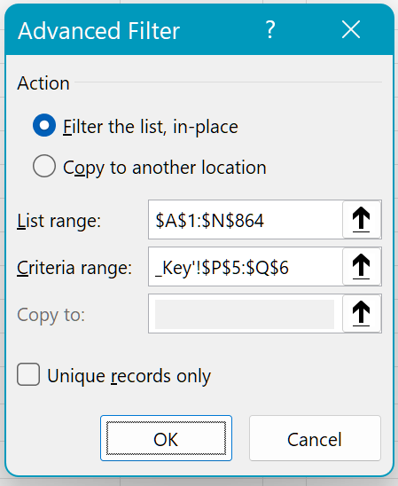

 |  | The result displays: 4 rows!

 | Name the cell range

 | Step 1 | Select cells A1:N864
 | Step 2 | In the name field, type the name "My_DB"
 | Step 3 | Hit "Enter" to confirm

 | DCOUNTA function

 | Step 1 | Create the criteria below in the right-hand cells of the table (S5 to U6):
 |  |  | Period | Product | Color
 |  |  | Jun-19 | Pants | orange
 | Step 2 | Type the following formula: "=DCOUNTA(My_DB,"Country",S5:U6)"
 |  |  | Tip: Why put "Country" in the second argument?
 |  |  | In fact, you could have put any column, or even left the argument empty, without changing the result, as the DCOUNTA counts the rows of any column.

 | SUMIFS function

 | Step 1 | Type the formula "=SUMIFS(M:M,G:G,"Skirt",I:I,"green")"
 |  |  | This is the quickest formula to set up, as there are no criteria or range to name!

