P3C4-Answer_Key_Detail
Answer key for the "Perfect Your Excel Skills" training exercise, Part 3, Chapter 4

 | Opinion Column with nested formulas

 | Step 1 | Click on the "fx" button and select the IF() function
 | Step 2 | Click in the Logical_test field, and then click in the name box, which lists the Excel functions
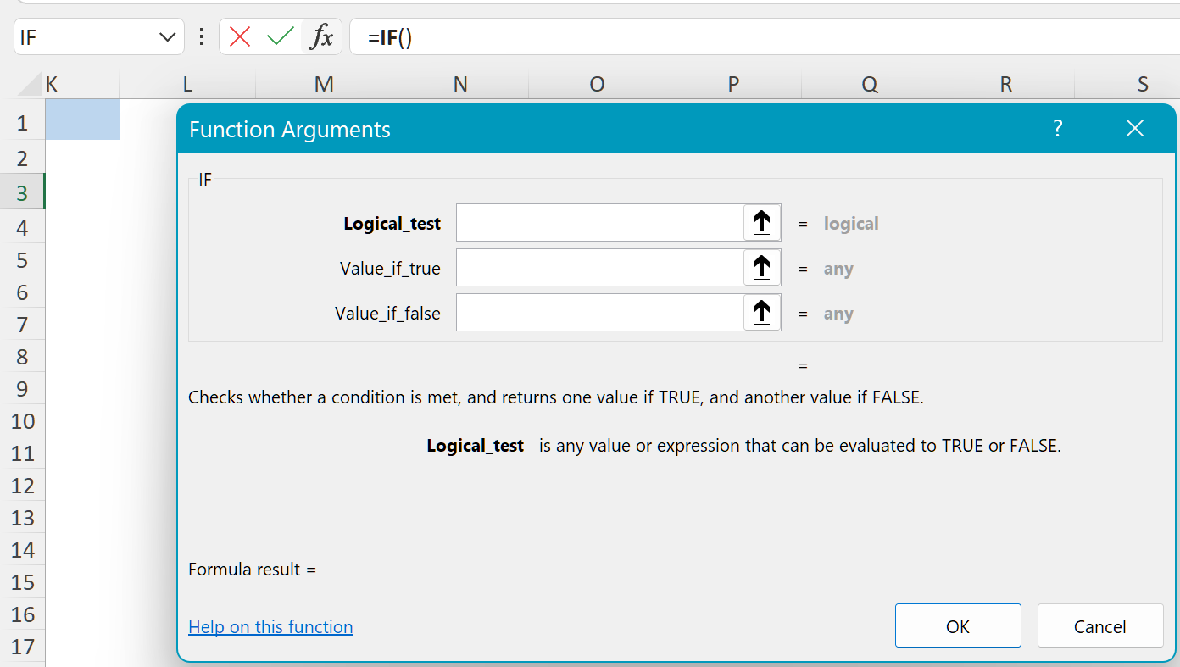

 | Step 3 | Click on "MAX"
 | Step 4 | Select the cell range for the last eight quarters (C5:H5)
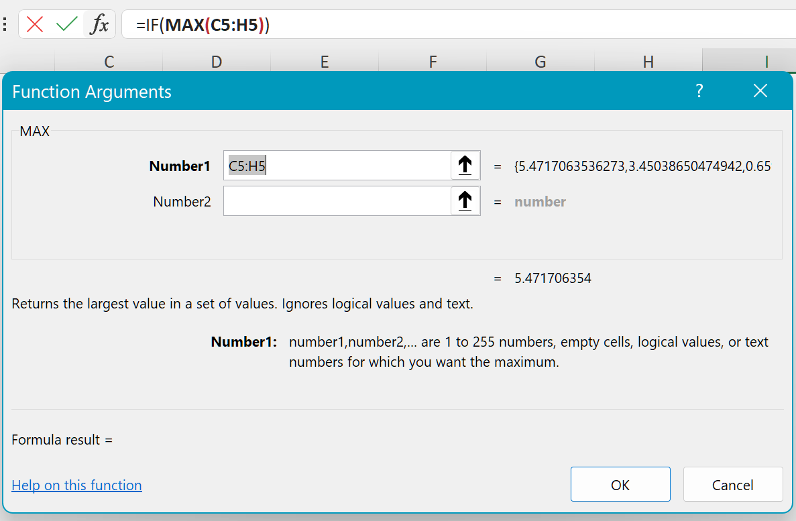

 | Step 5 | Click on the "IF" text in the formula bar to go back to the IF() function arguments window
 | Step 6 | Add ">5.2" in the "Logical_test" field
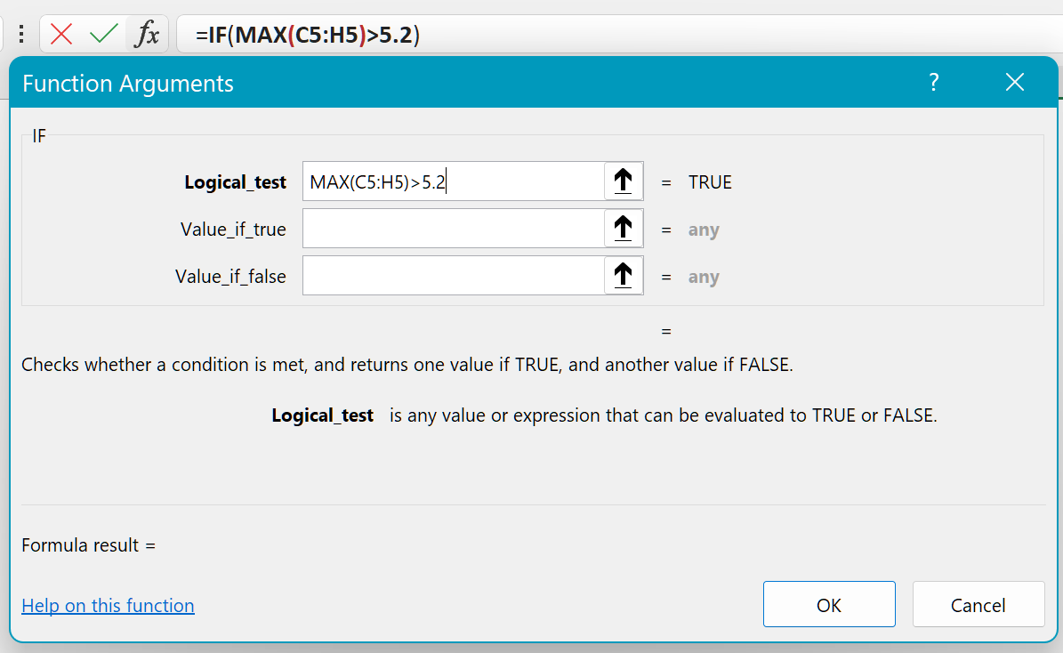

 | Step 7 | Type "Great!" into the "Value_if_true" field
 | Step 8 | Type "-" into the "Value_if_false" field
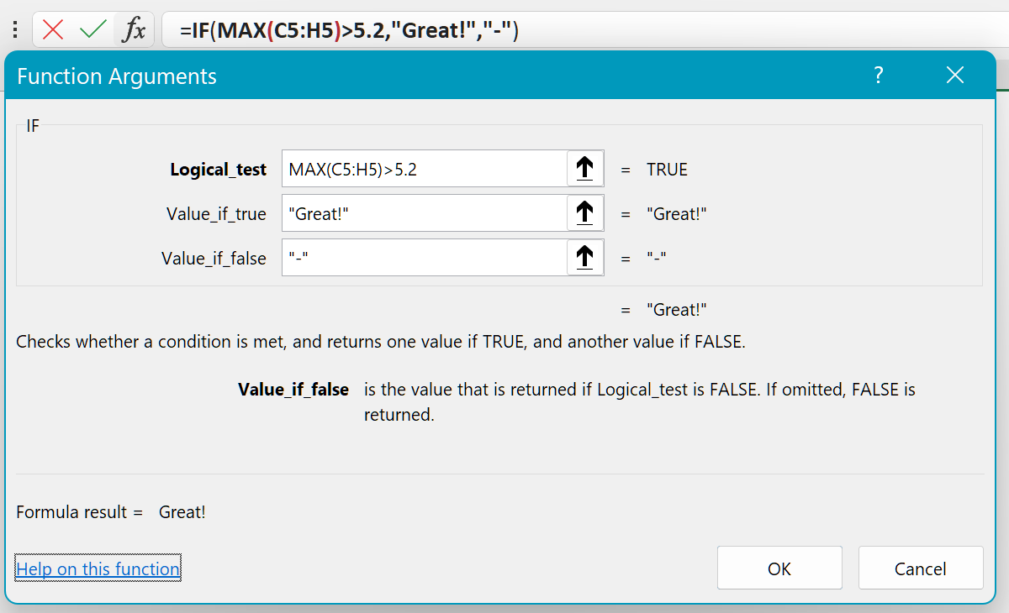

 | Step 9 | Click OK
 | Step 10 | The formula bar now looks like this: =IF(MAX(C5:H5)>5.2,"Great!","-")
 | Step 11 | Recopy this formula up to row 9

 | Changes to orange cells

 | Step 1 | The original formula "=SUM(G5:H5)/SUMM(C5:D5)" contains the word "SUMM" instead of "SUM"
 | Step 2 | Correction: Remove an M from "SUMM"
 | Step 3 | The original formula "=SUM(G7:H7)/SUM(C7:D7)/0" returns the "#DIV/0!" error, as it is trying to calculate a division by zero
 | Step 4 | Correction: Remove the "/0" at the end of the formula

 | Changes to blue cell

 | Step 1 | If there is a division by zero, add the IFERROR() function
 | Step 2 | The formula becomes "=IFERROR(SUM(G9:H9)/SUM(C9:D9),"-")"

