P3C5-Answer_Key
Sub_Region_Cod | Country_Cod | Country | Categ | Period | Product_Ref | Product | Product category | Color | Created on | Purchase price | Sale price | Sales | Interval in working days | Period | Mar-21
WEU | LUX | Luxembourg | Top | Feb-20 | P45099 | Socks | Bottom | black | Mar-17 | 8 | 10 | 4009.22 | 763
WEU | LIE | Liechtenstein | Top | Dec-20 | P09301 | Socks | Bottom | blue | Feb-17 | 11.05 | 13 | 6256.25 | 1000 | Row Labels | Sum of Sales
WEU | LIE | Liechtenstein | Top | Oct-19 | P33835 | T-shirt | Top | taupe | Nov-18 | 9 | 10 | 3641.43 | 239 | Austria | 32027.82
WEU | AUS | Austria | Top | May-19 | P37069 | Tank top | Top | red | Nov-18 | 3.6 | 5 | 8802.97 | 130 | Belgium | 19985.34
WEU | LUX | Luxembourg | Bottom | Mar-21 | P00147 | Dress | Top-And-Bottom | brown | Jan-18 | 7.2 | 9 | 5931.85 | 826 | France | 32429.29
WEU | FRA | France | Top-And-Bottom | Jan-20 | P30848 | Socks | Bottom | green | Jan-17 | 13.2 | 15 | 7714.25 | 783 | Germany | 10337.1
WEU | LIE | Liechtenstein | Top | Nov-20 | P36740 | Shirt | Top | brown | Dec-17 | 9 | 10 | 648.27 | 761 | Liechtenstein | 24044.29
WEU | LIE | Liechtenstein | Top | Jun-20 | P17790 | Dress | Top-And-Bottom | blue | Apr-17 | 5.28 | 6 | 5153.11 | 826 | Luxembourg | 32931.9
WEU | DEU | Germany | Top | Dec-20 | P25076 | Pants | Bottom | orange | Jan-17 | 13.8 | 15 | 6995.34 | 1022 | Netherland | 37074.53
WEU | FRA | France | Top | Apr-21 | P16729 | Hosiery | Bottom | taupe | Apr-17 | 3.9 | 5 | 5774.21 | 1044 | Switzerland | 15442.82
WEU | AUS | Austria | Top | Apr-21 | P49785 | Sweater | Top | black | Mar-17 | 4.4 | 5 | 6885.59 | 1067 | Grand Total | 204273.09
WEU | CHE | Switzerland | Bottom | Dec-20 | P00865 | Skirt | Bottom | white | Apr-18 | 6.32 | 8 | 6418.83 | 697
WEU | LUX | Luxembourg | Bottom | Jan-20 | P21339 | Tank top | Top | red | Dec-17 | 9.84 | 12 | 9274.57 | 544
WEU | DEU | Germany | Bottom | Oct-20 | P48978 | Sweatshirt | Top | orange | Jan-17 | 4.44 | 6 | 3714.87 | 979
WEU | FRA | France | Top-And-Bottom | May-20 | P21878 | Skirt | Bottom | pink | Jan-18 | 11.76 | 14 | 1714.77 | 610
WEU | CHE | Switzerland | Bottom | Aug-19 | P48304 | Shirt | Top | black | Oct-18 | 5.81 | 7 | 9885.56 | 219
WEU | CHE | Switzerland | Top-And-Bottom | Feb-21 | P35423 | Sweatshirt | Top | brown | Dec-17 | 8.9 | 10 | 8521.33 | 827
WEU | CHE | Switzerland | Top | Sep-19 | P23529 | Pants | Bottom | white | Aug-18 | 6.48 | 8 | 3537.73 | 283
WEU | BEL | Belgium | Top | Mar-21 | P40834 | Bra | Top | red | Nov-18 | 10.44 | 12 | 395.15 | 608
WEU | DEU | Germany | Top | Aug-20 | P41564 | Socks | Bottom | red | Apr-17 | 3.65 | 5 | 9938.57 | 870
WEU | LIE | Liechtenstein | Bottom | Nov-20 | P29917 | Socks | Bottom | blue | Sep-17 | 7.92 | 9 | 3230.13 | 826
WEU | DEU | Germany | Top-And-Bottom | Aug-20 | P14013 | Dress | Top-And-Bottom | orange | Mar-18 | 4.7 | 5 | 3822.62 | 632
WEU | AUS | Austria | Bottom | Oct-19 | P25875 | T-shirt | Top | orange | Mar-17 | 10.45 | 11 | 2148.92 | 675
WEU | DEU | Germany | Top | Jun-20 | P49015 | Blouse | Top | taupe | Nov-17 | 10.12 | 11 | 4303.23 | 674
WEU | FRA | France | Top | Nov-20 | P00821 | Tank top | Top | taupe | Sep-18 | 6.93 | 9 | 2976.39 | 565
WEU | LUX | Luxembourg | Bottom | Jun-19 | P07136 | T-shirt | Top | brown | Aug-18 | 10.44 | 12 | 289.3 | 218
WEU | DEU | Germany | Top | Jan-21 | P33389 | T-shirt | Top | black | Oct-17 | 4.75 | 5 | 5833.5 | 850
WEU | BEL | Belgium | Bottom | Aug-20 | P40581 | Cropped pants | Bottom | brown | Feb-17 | 8.47 | 11 | 6859.21 | 913
WEU | NLD | Netherland | Top-And-Bottom | Sep-19 | P04202 | Sweater | Top | white | Dec-17 | 9.36 | 12 | 5792.69 | 456
WEU | NLD | Netherland | Top-And-Bottom | Dec-20 | P37104 | T-shirt | Top | red | Feb-18 | 7.9 | 10 | 8306.14 | 739
WEU | NLD | Netherland | Top-And-Bottom | Jan-20 | P17387 | Bra | Top | brown | Apr-17 | 5.92 | 8 | 2663.18 | 718
WEU | FRA | France | Top-And-Bottom | Jan-20 | P30200 | Cropped pants | Bottom | brown | Mar-17 | 13.05 | 15 | 311.88 | 741
WEU | NLD | Netherland | Top | Feb-20 | P27182 | Underpants | Bottom | pink | Jul-18 | 4.9 | 7 | 6950.94 | 415
WEU | LUX | Luxembourg | Top | Oct-19 | P12057 | Pants | Bottom | blue | Sep-18 | 8.25 | 11 | 9370.27 | 282
WEU | FRA | France | Top | Jan-20 | P39315 | Underpants | Bottom | orange | Mar-18 | 13.05 | 15 | 9722.1 | 480
WEU | AUS | Austria | Top | Nov-20 | P09811 | Bra | Top | orange | Sep-18 | 8.19 | 9 | 2131.52 | 565
WEU | DEU | Germany | Bottom | Mar-20 | P48139 | Sweatshirt | Top | orange | Aug-17 | 5.04 | 6 | 7329.1 | 674
WEU | DEU | Germany | Bottom | Jun-19 | P33288 | Underpants | Bottom | green | Nov-18 | 5.46 | 6 | 5533.18 | 152
WEU | NLD | Netherland | Bottom | Dec-20 | P06804 | T-shirt | Top | white | Jul-17 | 5.76 | 8 | 1041.53 | 892
WEU | AUS | Austria | Bottom | Aug-20 | P12106 | Blouse | Top | pink | Sep-18 | 7.2 | 10 | 7129.44 | 500
WEU | FRA | France | Top | Mar-21 | P00821 | Tank top | Top | taupe | Sep-18 | 6.93 | 9 | 8549.86 | 651
WEU | LIE | Liechtenstein | Bottom | Jan-21 | P06804 | T-shirt | Top | white | Jul-17 | 5.76 | 8 | 6540.95 | 915
WEU | NLD | Netherland | Bottom | May-19 | P21439 | Skirt | Bottom | brown | Sep-17 | 4.55 | 5 | 6209.44 | 434
WEU | LUX | Luxembourg | Top | Oct-19 | P27840 | Tank top | Top | orange | Aug-17 | 8 | 10 | 1059.25 | 566
WEU | LIE | Liechtenstein | Top | Jun-19 | P49225 | Skirt | Bottom | pink | May-18 | 5.52 | 6 | 2395.36 | 284
WEU | DEU | Germany | Bottom | Mar-21 | P26609 | Dress | Top-And-Bottom | black | Dec-18 | 7.65 | 9 | 9416.6 | 586
WEU | BEL | Belgium | Top | May-19 | P06146 | Underpants | Bottom | pink | Jan-17 | 9.5 | 10 | 5322.65 | 608
WEU | LIE | Liechtenstein | Top-And-Bottom | Apr-21 | P27037 | Sweater | Top | black | Apr-17 | 10.92 | 12 | 9910.32 | 1044
WEU | NLD | Netherland | Top-And-Bottom | Mar-21 | P01933 | Bra | Top | brown | Aug-17 | 6.48 | 9 | 5180.16 | 935
WEU | BEL | Belgium | Top | Nov-19 | P49769 | Sweater | Top | brown | Mar-18 | 13.65 | 15 | 9633.35 | 437
WEU | CHE | Switzerland | Bottom | Oct-19 | P19008 | Socks | Bottom | blue | Feb-18 | 8.4 | 12 | 5637.7 | 434
WEU | AUS | Austria | Top | Jul-20 | P36842 | Dress | Top-And-Bottom | brown | Jul-17 | 6.84 | 9 | 10.57 | 783
WEU | DEU | Germany | Top | Feb-20 | P00924 | Socks | Bottom | blue | May-18 | 13.65 | 15 | 82.35 | 459
WEU | DEU | Germany | Bottom | May-20 | P47218 | Dress | Top-And-Bottom | green | Oct-17 | 5.92 | 8 | 3320.28 | 675
WEU | AUS | Austria | Top | Mar-21 | P33835 | T-shirt | Top | taupe | Nov-18 | 9 | 10 | 3357.41 | 608
WEU | BEL | Belgium | Top | Jul-19 | P45754 | Blouse | Top | pink | Jul-17 | 8.4 | 12 | 3800.93 | 521
WEU | AUS | Austria | Top | Jun-19 | P20279 | Underpants | Bottom | green | Oct-18 | 8.64 | 12 | 6851.98 | 175
WEU | LIE | Liechtenstein | Bottom | Jan-20 | P29323 | Dress | Top-And-Bottom | red | Jun-17 | 8.69 | 11 | 6075.98 | 675
WEU | NLD | Netherland | Bottom | Nov-19 | P43446 | Socks | Bottom | blue | Oct-18 | 9.36 | 13 | 9595.98 | 285
WEU | FRA | France | Top-And-Bottom | Jun-19 | P23778 | Sweatshirt | Top | black | Sep-17 | 3.65 | 5 | 6412.37 | 456
WEU | BEL | Belgium | Bottom | May-20 | P31598 | Cropped pants | Bottom | white | Sep-18 | 4.32 | 6 | 8453.82 | 435
WEU | CHE | Switzerland | Top-And-Bottom | May-19 | P30142 | Shirt | Top | red | Jul-18 | 10.78 | 14 | 7897.22 | 218
WEU | AUS | Austria | Bottom | May-19 | P12287 | Pants | Bottom | blue | Mar-18 | 11.96 | 13 | 8768.87 | 305
WEU | FRA | France | Top | Dec-20 | P36117 | Pyjamas | Top-And-Bottom | green | Jun-17 | 5.46 | 7 | 1330.69 | 914
WEU | BEL | Belgium | Bottom | Mar-20 | P46106 | Cropped pants | Bottom | blue | Jun-18 | 6.37 | 7 | 3492.8 | 456
WEU | CHE | Switzerland | Top | Apr-21 | P30848 | Socks | Bottom | green | Jan-17 | 13.2 | 15 | 7036.43 | 1109
WEU | CHE | Switzerland | Bottom | Dec-20 | P35562 | Skirt | Bottom | brown | Jan-18 | 6.16 | 8 | 8897.12 | 762
WEU | LIE | Liechtenstein | Bottom | Apr-20 | P21413 | Sweatshirt | Top | black | Oct-18 | 4.8 | 6 | 4205.87 | 393
WEU | AUS | Austria | Bottom | Mar-21 | P19940 | Cropped pants | Bottom | red | Jan-17 | 13.35 | 15 | 2698.93 | 1086
WEU | AUS | Austria | Top | Apr-20 | P45754 | Blouse | Top | pink | Jul-17 | 8.4 | 12 | 9718.22 | 718
WEU | NLD | Netherland | Top | Jun-19 | P44662 | Underpants | Bottom | brown | Aug-17 | 9.62 | 13 | 317.48 | 479
WEU | NLD | Netherland | Top | Dec-20 | P18765 | Sweater | Top | green | May-18 | 7.9 | 10 | 1189.48 | 676
WEU | FRA | France | Top | Sep-19 | P17790 | Dress | Top-And-Bottom | blue | Apr-17 | 5.28 | 6 | 8081.5 | 630
WEU | CHE | Switzerland | Bottom | Jan-21 | P07201 | Dress | Top-And-Bottom | blue | Nov-17 | 8.37 | 9 | 7770.88 | 828
WEU | DEU | Germany | Top-And-Bottom | Sep-20 | P12121 | Underpants | Bottom | red | Nov-17 | 11.4 | 15 | 4725.7 | 740
WEU | LIE | Liechtenstein | Top | Apr-20 | P39717 | Sweatshirt | Top | green | Mar-17 | 11.83 | 13 | 4265.93 | 806
WEU | CHE | Switzerland | Top | Feb-21 | P22281 | Sweatshirt | Top | orange | Dec-17 | 9 | 12 | 9968.63 | 827
WEU | NLD | Netherland | Top | May-19 | P38736 | Sweatshirt | Top | brown | Dec-17 | 7.7 | 10 | 2974.32 | 369
WEU | LIE | Liechtenstein | Top | Sep-20 | P06469 | Bra | Top | black | Aug-17 | 7.65 | 9 | 8181.73 | 806
WEU | AUS | Austria | Top | Jun-20 | P22923 | Pants | Bottom | orange | Aug-17 | 9.6 | 12 | 3922.81 | 740
WEU | AUS | Austria | Bottom | May-20 | P47218 | Dress | Top-And-Bottom | green | Oct-17 | 5.92 | 8 | 3377.23 | 675
WEU | BEL | Belgium | Bottom | May-19 | P13281 | Cropped pants | Bottom | pink | Sep-18 | 4.68 | 6 | 6188.7 | 173
WEU | CHE | Switzerland | Bottom | Apr-20 | P01548 | Socks | Bottom | red | Dec-18 | 13.8 | 15 | 1137.2 | 348
WEU | NLD | Netherland | Top-And-Bottom | Apr-20 | P36117 | Pyjamas | Top-And-Bottom | green | Jun-17 | 5.46 | 7 | 1533.85 | 740
WEU | DEU | Germany | Bottom | Aug-19 | P21878 | Skirt | Bottom | pink | Jan-18 | 11.76 | 14 | 8262.73 | 414
WEU | NLD | Netherland | Top-And-Bottom | May-20 | P48978 | Sweatshirt | Top | orange | Jan-17 | 4.44 | 6 | 6602.55 | 870
WEU | NLD | Netherland | Top | Feb-21 | P37104 | T-shirt | Top | red | Feb-18 | 7.9 | 10 | 3016.3 | 783
...

P3C5-Answer_Key Explanation
Answer key for the "Perfect your Excel Skills" training exercise, Part 3, Chapter 5

 | Pivot Chart

 | Step 1 | "Insert" tab => icon
 | Step 2 | Select the data range and click OK
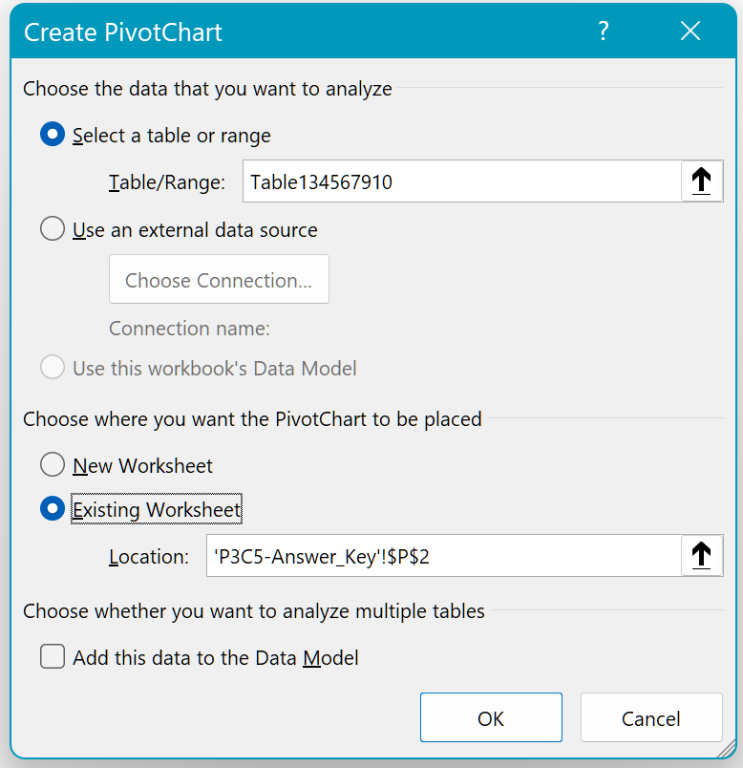

 | Step 3 | In the list of fields on the right-hand side, select the fields that you need (country/period/Sales)
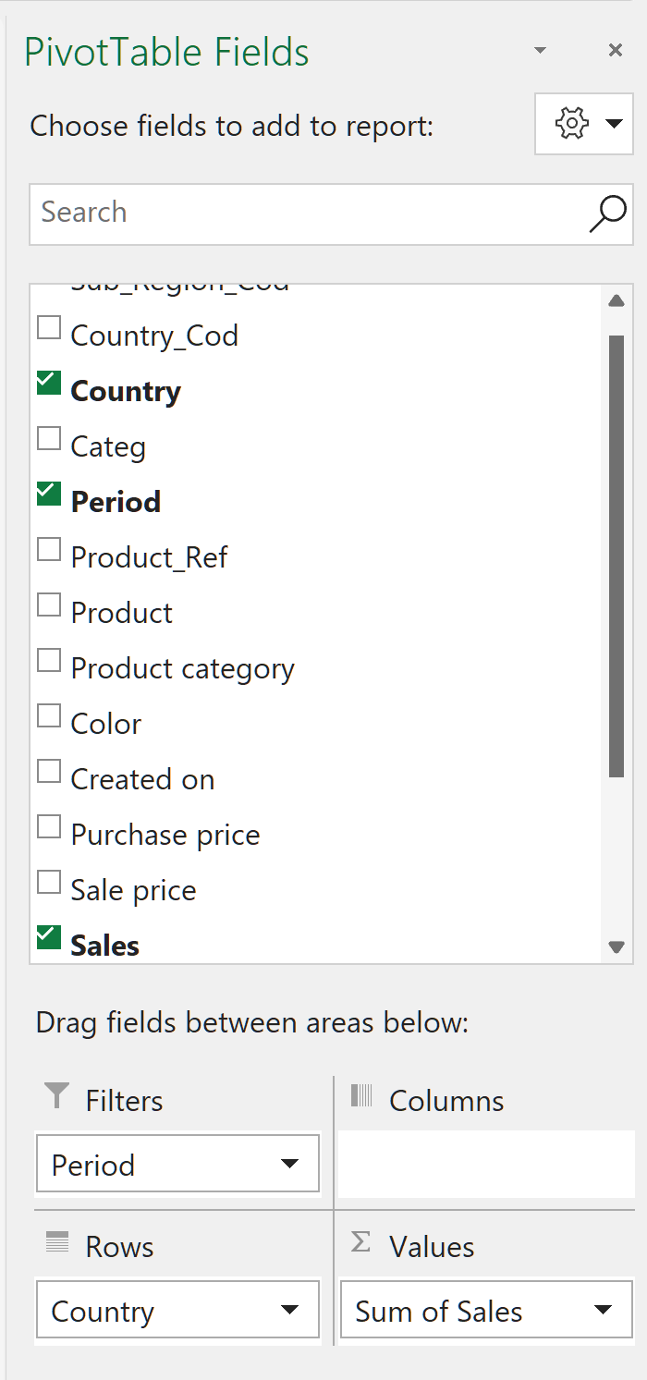

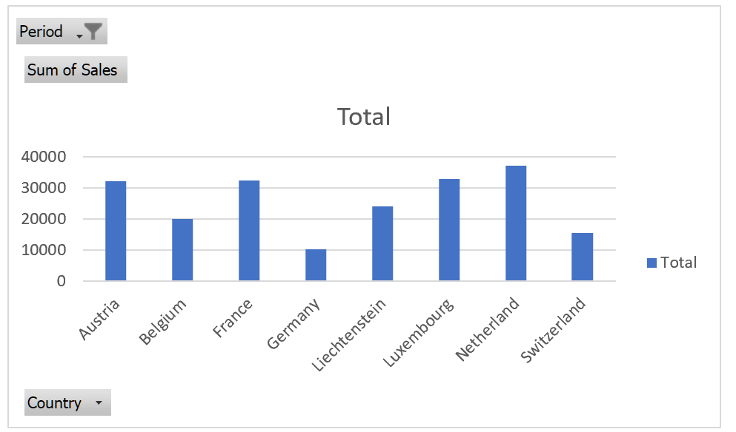
 |  | The pivot table and the pivot chart will update
 | Step 4 | In the "Period" field, select March 2021
 |  | Ta-da!

 | Graphic Object

 | Step 1 | Create the graphic object using "Insert" => icon
 | Step 2 | Go to the "Relations" category and select the "Balance" chart:
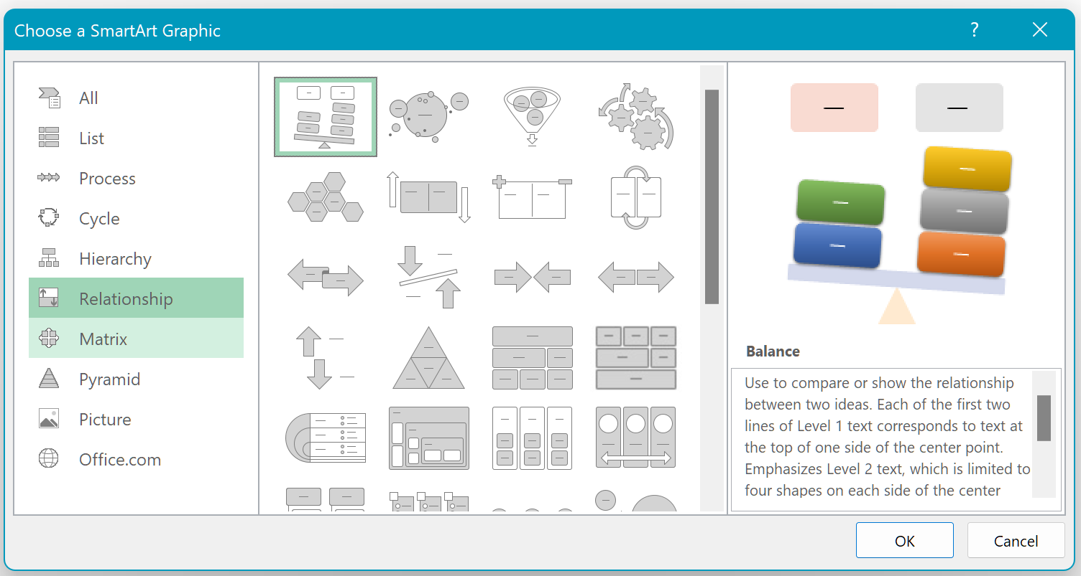

 | Step 3 | Think about how to fill in the "Advantages" and "Disadvantages" columns :-)

