P4C1-Answer_Key_Detail
Answer key for the "Perfect Your Excel Skills" training exercise, Part 4, Chapter 1

 | Goal Seek

 | Step 1 | Open the Goal Seek tool
 | Step 2 | Enter the following values:
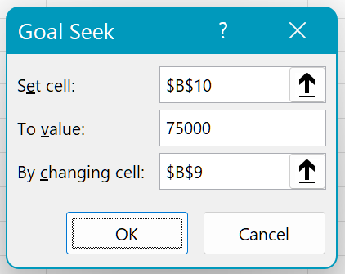

 | Step 3 | Click OK and the result displays. You need to sell 3,200 products to achieve $75,000 in sales

 | Solver

 | Step 1 | You'll see that the cells in Problem 2 are already named J
 | Step 2 | Open the Solver window
 | Step 3 | The Set Objective is the cell which contains the result, i.e. cell E10, with a value of $70,000
 | Step 4 | The changing cells are the three green cells
 |  |  | Remember that you can keep the "CTRL" key pressed down to select non-adjacent cells
 | Step 5 | The constraints are those listed below:
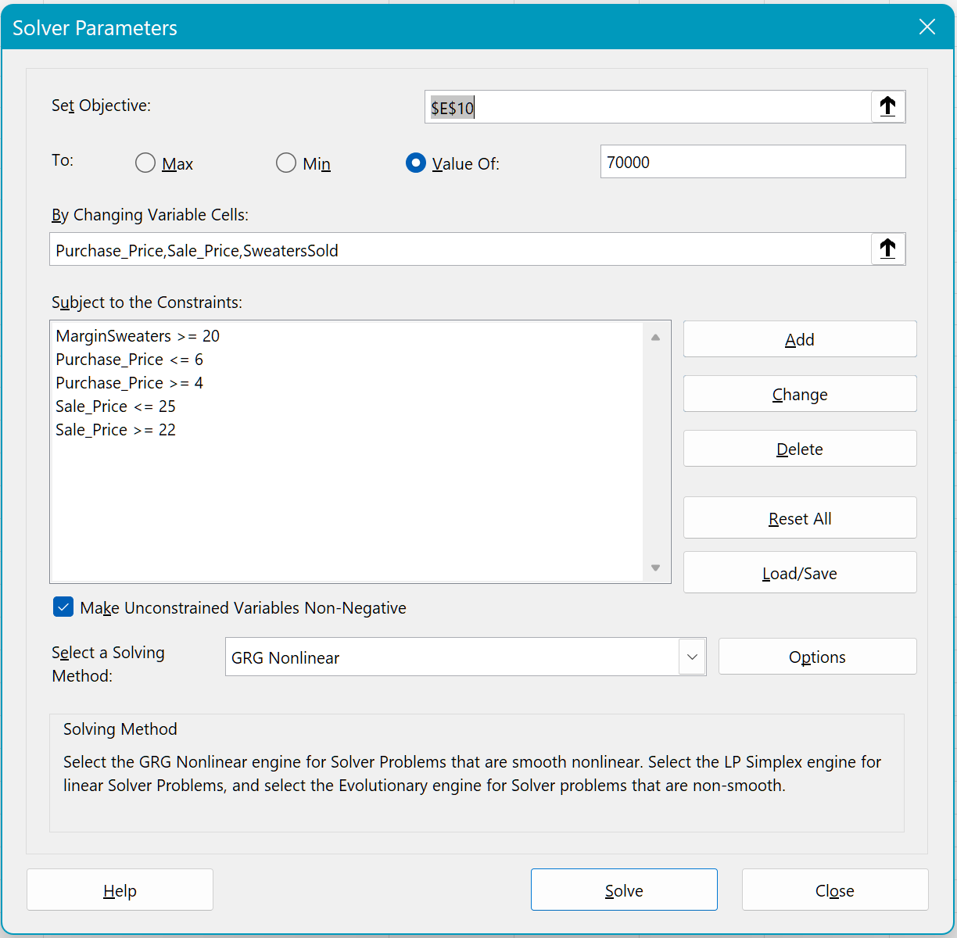

 | Step 6 | Click Solve
 | Step 7 | Excel finds the solution! J

