P4C2-Answer_Key_Explanation
Answer key for the "Perfect Your Excel skills" training exercise, Part 4, Chapter 2

 | Consolidation

 | Step 1 | Insert a new tab (the consolidaton will go here)
 | Step 2 | "Data" => "Consolidate"
 | Step 3 | Select the first data range => Add
 | Step 4 | Select the second data range => Add
 | Step 5 | Check the row and column boxes
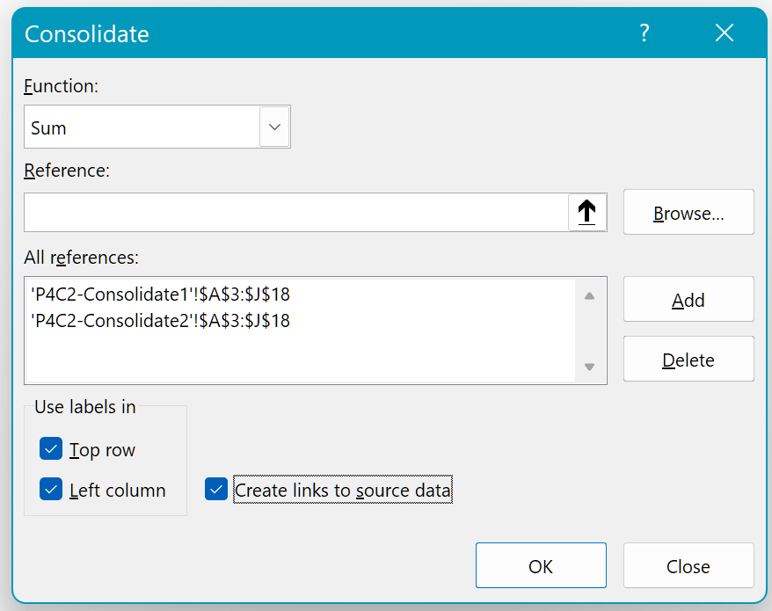

 | Step 6 | Click OK

 | Multiple-source Pivot Table

 | Step 1 | "P4C2-Pivot" tab, select a cell from the "Table1" table
 | Step 2 | "Insert" => "Pivot Table" => check the box "Add this data to the Data Model"
 | Step 3 | Check the "Country" and "Sales" fields to include them in the Pivot Table
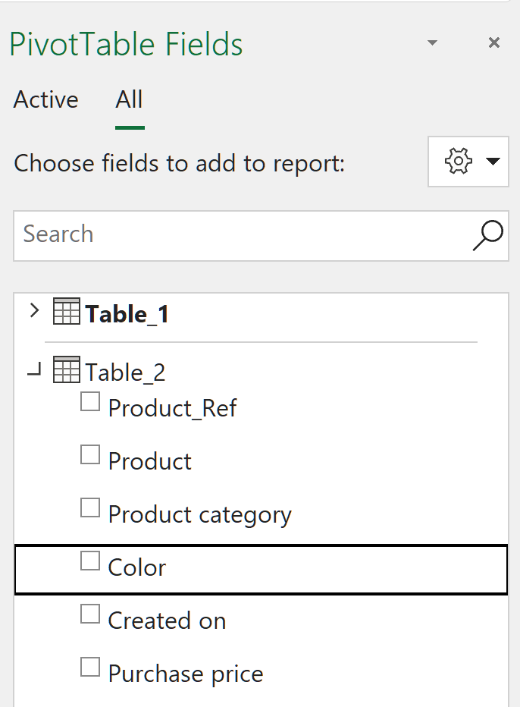
 | Step 4 | Click on the "All" tab, go to the Table2 column and drag the "Color" field into "Columns"

 | Step 5 | Excel tells you that you need to create a link between the two tables
 | Step 6 | Enter the link as shown below:
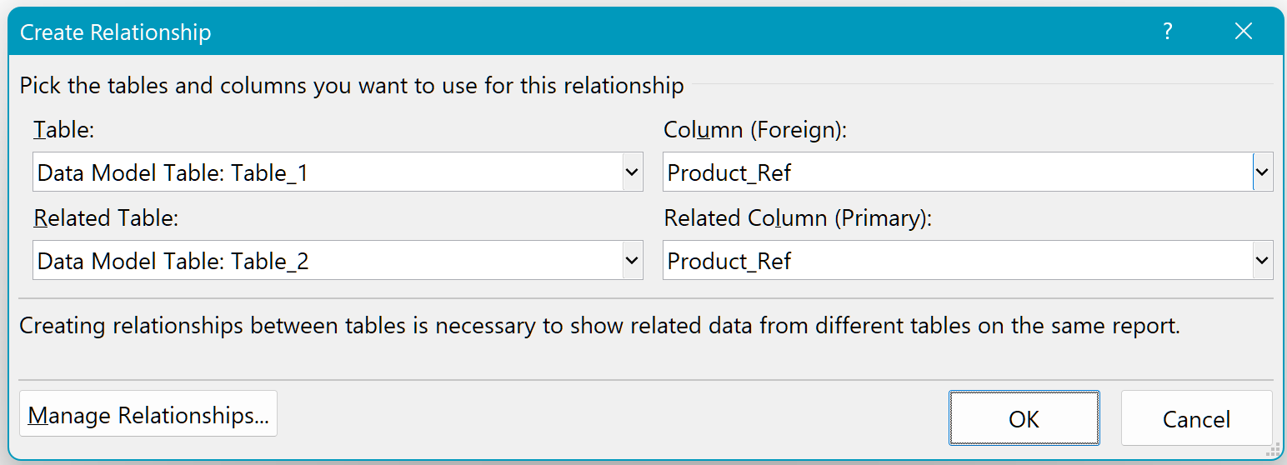

 | Step 7 | Add the "product" field to the filter and select blouses
 | Step 8 | At the intersection of the row Belgium and the column Pink, you'll see $3,801 (rounded figure)

