GUIDELINES
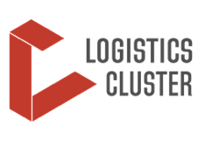 | NOTIFICATION TEMPLATE TO BE FILLED IN BY PARTNERS AND SUBMITTED TO ETHIOPIA.HUMANITARIANCONVOYS@WFP.ORG BEFORE 12:00 EAT DAILY.
 | FOR HEALTH, IT AND AGRICULTURE ITEMS: PARTNER ORGANISATIONS ARE REQUIRED TO ATTACH A LINE MINSITRY SUPPORT LETTER WHEN SUBMITTING THE NOTIFICATION FORM. WITHOUT THE LINE MINISTRY SUPPORT LETTER, THE ITEMS CANNOT BE SENT BY LOGS CLUSTER TO EDRMC.

 | Please fill in the NOTIFICATION TEMPLATE_TIGRAY, with all the required information (columns A to J)

