INSTRUCTIONS
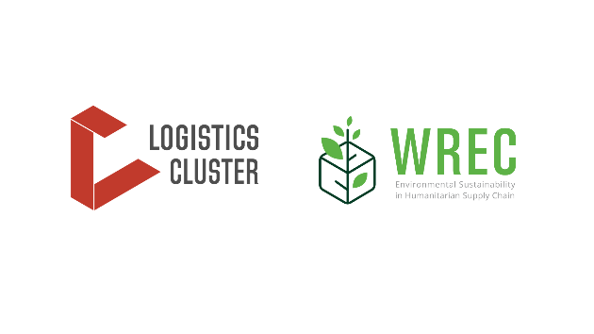

 |  | Energy Efficiency Tool for Facilities

TARGET AUDIENCE & PURPOSE
This tool supports humanitarian facility managers, helping them understand where in their facility they can save energy. The simple checklist and scoring quickly highlights opportunities for saving and includes supporting facts, figures, and examples. The tool targets different types of humanitarian facilities ranging from warehouses to guesthouses and offices, but excludes specific types such as fleet workshops due to their unique profile.
HOW TO USE THE TOOL

 | Step | Tab(s) | Instructions | Note
 | 1 | Questionnaire | Start by answering 10 quick questions about your facility by selecting 'Yes' or 'No' from the dropdown menu. Example: Does your facility have air-conditioning? Answer 'Yes' if your facility currently has air-conditioning installed. Answer 'No', if there is no air-conditioning. If the answer is 'No', the relevant questions on air-conditioning in the other tabs will be greyed-out. | It is important to understand what type of equipment and appliances are currently in place in your facility, so that the tool can offer relevant suggestions. The tool is dynamic which means the follow-up questions, suggested measures, and score will adapt based on the answers you give in the 'Questionnaire' tab.
 | 2 | Complete the 6 subsequent tabs: 1-Behavioural measures 2-Lighting 3-IT equipment 4-Kitchen appliances 5-Cooling, heating, generators 6-Insulation | In each tab, answer the questions that appear by selecting 'Yes', 'No', or 'Unsure' from the dropdown menu. The tool will grey out questions that are not relevant to your facility based on the answers you gave in the questionnaire. For each question you can gain between 1 and 3 points, depending on the potential impact of the measure. Example: For the question on whether your air-conditioning is inverter-based (provided you have air-conditioning), you can gain 3 points by answering yes. That is because inverter air-conditioning is up to 30% more energy efficient compared to regular air-conditioning. | Each tab deals with distinct, important categories for energy saving. You can address measures separately, e.g., switch to LED lightbulbs first, and some time later, replace your air-conditioning with an inverter-unit, while planning ahead for insulating your facilities. Note: If you answered many questions with 'Unsure', it is important to go back and check your facility for the corresponding information so that you can adequately address any energy savings potential.
 | 3 | Consult the scoring sheet to review your results | Once you have answered all relevant questions about energy use in your facility, you can check your results in the scoring sheet. Four categories exist: Not energy efficient: Between 0% and 25% of the score is achieved. Partially energy efficient: Between 25% and 50% of the score is achieved. Moderately energy efficient: Between 50% and 75% of the score is achieved. Highly energy efficient: Between 75% and 100% of the score is achieved. You will also receive an overall score, based on scores of the different sections. | The scoring sheet gives you an overview over where your facility stand regarding its energy saving. For detailed results and suggested measures, consult the individual tabs. For further reading, see the tab 'Resources'.

 | Example: A warehouse manager would like to understand how to make their warehouse more energy efficient. The warehouse has air-conditioning, but no appliances, fans, or printers. They start by filling-in the questionnaire answering the respective questions with 'No'. The tool adjusts questions and scoring accordingly. They proceed through the different tabs: Their warehouse currently achieves an intermediate score. Thanks to the tool's questions, they understand that they can take immediate action through quick, low-cost behavioural measures such as optimising temperature settings, and by installing window blinds and LED lights. They can realise important long-term saving through insulation and by replacing their air-conditioning with an inverter unit.

 |  | INDEX
TABLE Nº |  | ITEM
START HERE |  | Questionnaire
1 |  | 1-Behaviour (quick & low-cost)
2 |  | 2-Lighting
3 |  | 3-Cooling, generators
4 |  | 4-IT equipment
5 |  | 5-Other appliances
6 |  | 6- Insulation
7 |  | 7-Resources

Scoring sheet
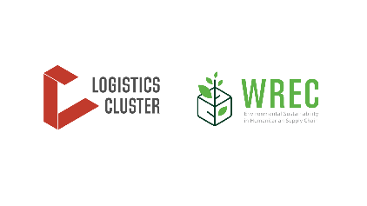

Scoring sheet

NOTE
This scoring sheet will be automatically populated based on the answers provided in each tab. This tool is dynamic, which means questions and max. score will adjust depending on the answers you give in the 'Questionnaire' tab. For example, if your facility doesn't have air-conditioning and you answer 'No' accordingly in the questionnaire, questions about air-conditioning in the other tabs will be greyed-out and the max. score will adjust, accounting for absence of air-conditioning.

 | Scoring matrix
 |  |  |  | Not energy efficient: Between 0% and 25% of score achieved. | Partially energy efficient: Between 25% and 50% of score achieved. | Moderately energy efficient: Between 50% and 75% of score achieved. | Highly energy efficient: Between 75% and 100% of score achieved.
Category | Max. score per category in points | Score achieved in points | Score achieved in percent | 25% | 50% | 75% | 100%
Example | 10 |  | 35% | - | 35% | - | -
1-Behaviour (quick & low-cost) | 15 | 0 | 0% | - | - | - | -
2-Lighting | 6 | 0 | 0% | - | - | - | -
3-Cooling, heating, generators | 11 | 0 | 0% | - | - | - | -
4-IT equipment | 5 | 0 | 0% | - | - | - | -
5-Other appliances | 11 | 0 | 0% | - | - | - | -
6-Insulation | 11 | 0 | 0% | - | - | - | -
TOTAL | 0%

Score | Description
Not energy efficient | Between 0% and 25% of the score is achieved. Your facility has major potential for increasing its energy efficiency. Important energy and therefore financial savings can potentially be realised. Start with quick wins that come with low upfront costs such as behavioural measures and lighting.
Partially energy efficient | Between 25% and 50% of the score is achieved. Your facility is taking some energy efficiency measures, but important savings can still be realised. If quick wins such as behavioural measures wins and/or lighting have already been taken, look into the more impactful categories such as cooling or insulation.
Moderately energy efficient | Between 50% and 75% of the score is achieved. Your facility has taken several important energy efficiency measures, some of which are highly impactful. Check the ones that are missing to realise your facility's full energy saving potential.
Highly energy efficient | Between 75% and 100% of the score is achieved. The focus is to maintain the current level of energy efficiency and cover your facility's remaining energy needs with renewable energy (where not already done).

