Container Emergency Repair kit
Container Emergency Repair kit | Unit cost (TRY) | # UNITS | TOTAL (TRY)
Silicone sealant cartridge | 100 | 2 | 200
Cartridge Applicator Gun | 50 | 1 | 50
Video tutorial (Turkish, Arabic, Kurdish, and Farsi). Meantime, https://www.wikihow.com/Apply-Silicone-Sealant | 0 | 3 | 250
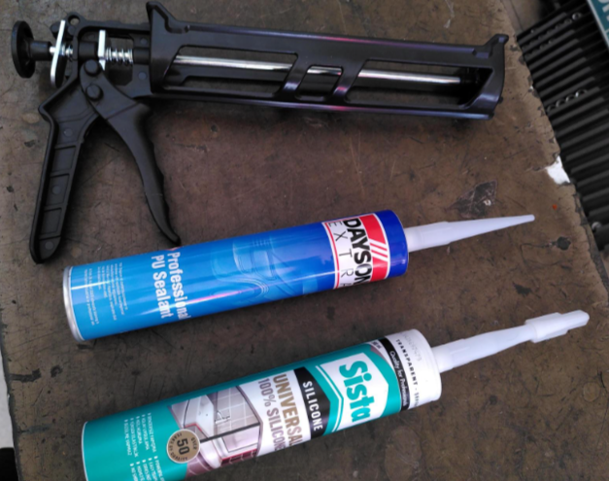

Sample photo

