Repair Kit
No | Destription | Unit | Qty | Unit cost (US$) | Amount ( US$) | Photo
 | Materials only
1 | Plastic Sheet: Dimensions: 4x6 yard (3.5x5.35m) Weight: approx. (3.5 - 4.5) kg Manufacturing: made of woven high-density black polyethylene fibers, with reinforced rims by heat sealing on all sides. Quality: good quality | No. | 2.00 | $13.00 | 26.00
2 | Nails: Steel galvanized round wire common nail (6D). Length:2 Inch (50mm), Diameter: 3 mm, Box weight:1.0kg. Quality: good quality | Box | 1.00 | 2.00 | 2.00 | 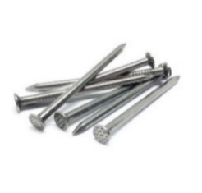
3 | Nylon Rope Length: 30m length Margin of tolerance: Length: 30m (± 0.5 m). Thickness: 8 mm (± 0.1 mm) Type: Nylon | Roll | 1.00 | $2.00 | 2.00 | 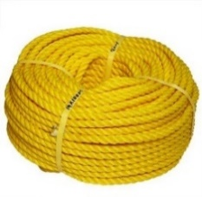
4 | Sand bags Type: Woven Polypropylene Sandbags with Attached Tie-String, Size: 60x30cm Weight: 133 lbs./thousand Pcs (+/- 5% weight is acceptable). HIGH UVI: Recommended protect contents from UV rays up to 1,600 hours without disintegrating and make excellent sand-filled flood barriers. | No. | 12.00 | 0.75 | 9.00
5 | Saw: Size: 610 mm blade (hard point teeth), Handle: plastic | pcs | 1.00 | $4.00 | 4.00
6 | Hammer: Size: 4 inch ('l0cm) handle with finger grooves. Head: steel head, magnetic, Type: claw with rubber handle. | pcs | 1.00 | $3.00 | 3.00
7 | Pickaxe: Size: 0.55 meters (incl. digger head). Handle type: flat / pick edge. | pcs | 1.00 | $5.00 | 5.00
8 | Utility knife: Size: 100x18x0.5 mm. Type: steel series. Handle: plastic. | Pcs | 1.00 | $1.00 | 1.00
9 | Shovel: Wooden or metal handle with length of 100 cm head dimentions 17 x 23 cm round shape blade Y shape metal grip | Pcs | 1.00 | $5.00 | 5.00
10 | Wooden Pole: 75mm x 75mm x3000mm length, Margin of tolerance: section size: 75mm x75mm (± 5mm) length: 3000 mm (± 30 mm) Colour: white or brown. Quality: hard quality, heartwood Treatment: the wood must be certificated that was treated all parts of each pole against the termite and insects; chemicals used for treatment must pose no risk to human health. Moisture Level: dry as much as possible with moisture level (if any) must be between 9% to 15%. Shake, Cracks, free of crack as much as possible. | No. | 2.00 | $10.00 | 20.00
11 | Wooden Plate: 100mm width x 22mm thickness x 3000mm length. Margin tolerance: Width: 100 mm (±3 mm) Thickness: 22 mm (±2 mm) Length: 3000mm (± 30mm) Colour: white or brown. Quality: hard quality Treatment: the wood must be certificated that was treated all parts of each plate against the termite and insects; chemicals used for treatment must pose no risk to human health. Moisture Level: dry as much as possible with moisture level (if any) must be between 9% to 15%. Shake, Cracks, free of cracks as much as possible | No. | 2.00 | $4.00 | 8.00 | 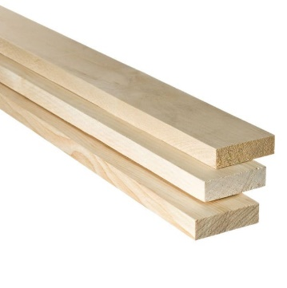

 | Total ( Materials and tools only) |  |  |  | 85.00

