1
 |  |  |  |  |  | ANNEX 1.1

Non Food Items (Emergency Standard Kit) |  | UNIT | Unit Cost | No | Total Cost | Photos
Bedding |  |  |  |  |  | 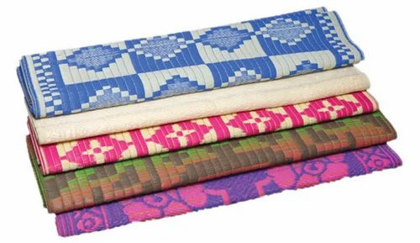 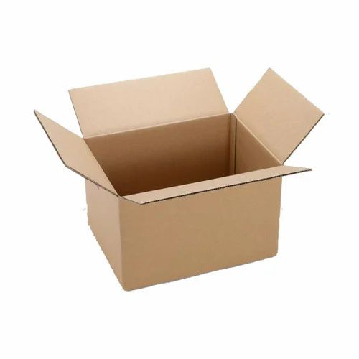 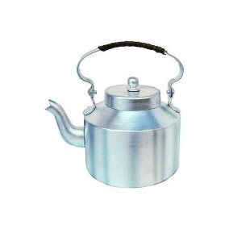 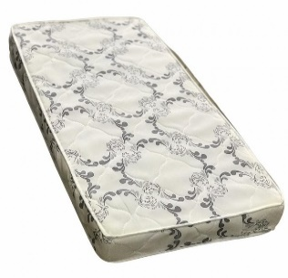 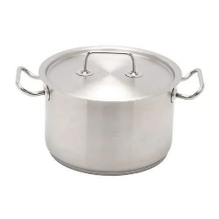 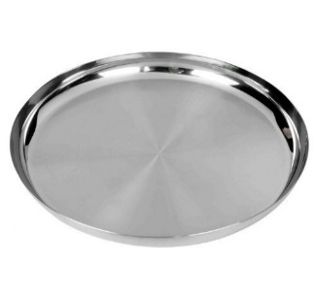 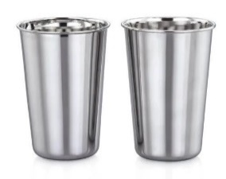 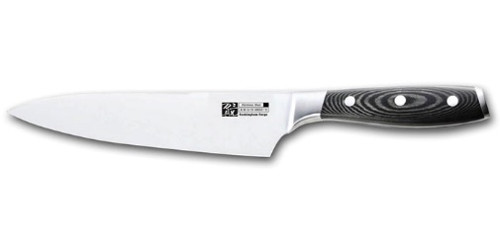 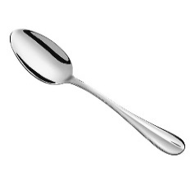 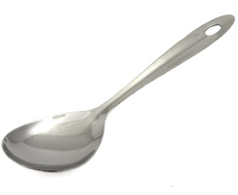 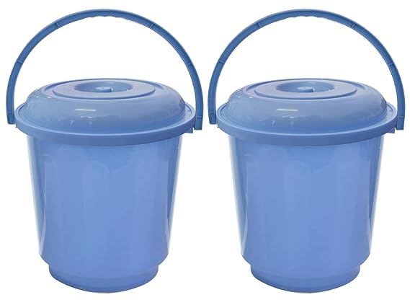 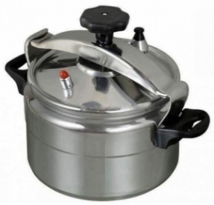 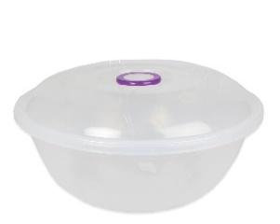 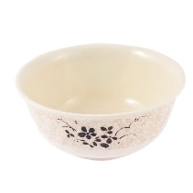
Blanket | • Description: Medium thermal blankets • Dimentions: 1.5 x 2 m • Compositions: polyester 100% • Weight: 1.5-2 kG • Distribution according to distribution protocol | PCS | $7.0 | 7 | $49.0
Mattress | • Description: Mattresses • Dimensions: 1.8*0.8 m • Thickness 10cm • Material: Normal Sponge - excellent type • Weight: 2.4 KG +/- 10% • Distribution according to distribution protocol | PCS | $15.1 | 7 | $105.7
Kitchen
Cooking pot | • Description: Cooking pot with lid and handles • Size: 7 liters (no specific diameter and depth) • Material: Aluminum • Weight: Weight for pot without lid 900 gm +/- 5% • Handles: 2 stainless steel handles, attached with leakage-proof rivets, or welded • Quality: Good Quality | PCS | $10.0 | 1 | $10.0
 | • Description: Pressure Cooking • Size: 7 liters • Material: Aluminum • Handles: 2 stainless steel or heat resistant plastic handles • Quality: Good Quality | PCS | $19.0 | 1 | $19.0
Plates | • Description: Metal Plates • Size: from 23 cm to 25 cm • Material: Stainless Steel • Quality: Good Quality | PCS | $0.9 | 5 | $4.5
Cups | • Description: Cups • Size: 250 mL minimum • Material: Stainless Steel • Quality: Good Quality | PCS | $0.2 | 2 | $0.5
Soup Bowl | • Description: Soup bowl • Size: 250 mL minimum • Material: Plastic or Steel - Hard to break • Quality: Good Quality | PCS | $0.5 | 3 | $1.5
Table Spoons | • Description: Table Spoons • Material: Stainless Steel • Quality: Good Quality | PCS | $0.1 | 5 | $0.7
Kitchen knife | • Description: Kitchen knife • Size: Thickness of blade base min 1.5mm, measured at the blade middle - Length of blade 15cm • Material: Stainless steel blade • Quality: Good Quality | PCS | $2.0 | 1 | $2.0
Serving spoon | • Description: Serving spoon • Material: Stainless Steel • Quality: Good Quality | PCS | $2.0 | 1 | $2.0
Tea Kettle | • Description: Tea Kettle • Size: 1 liter • Material: Alumanium • Quality: Good Quality | PCS | $4.0 | 1 | $4.0
Dough Bowl | • Description: Dough Bowl with lid • Size: 14 liter • Material: Plastic - Hard to break • Quality: Good Quality | PCS | $2.0 | 1 | $2.0
Packaging | 1 strong carton box for all kitchens set items to be stored with list of kitchen set contents in Arabic and English. | PCS | $0.5 | 1 | $0.5
Other House Materials
Bucket | • Description: Bucket with lid and strong plastic handle to carry the bucket • Capacity: 17 liters • Weight: 800 gms • Material: Plastic - Has flexibility and hard to break • Quality: Good Quality | PCS | $3.5 | 2 | $7.0
Sleeping Mats | • Description:Sleeping Mats • Dimensions: 1.8*1.8 m • Composition: 100% synthetic yarns in a tightly wove • Quality: Good Quality | PCS | $5.0 | 2 | $10.0
Grand Total |  |  |  |  | $218.4

2
 |  |  |  |  |  | ANNEX 1.2

Non Food Items (Cold Areas) |  | UNIT | Unit Cost | No | Total Cost | Photos
Bedding |  |  |  |  |  | 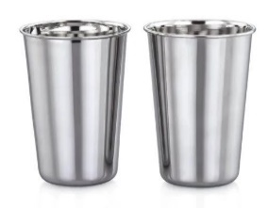 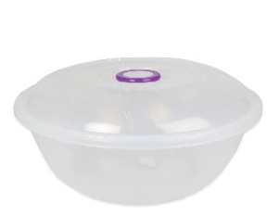
Blanket | • Description: High thermal blankets • Dimentions: 1.5 x 2 m • Compositions: polyester 100% • Weight: 3-4 kG • Distribution according to distribution protocol | PCS | $15.0 | 7 | $105.0
Mattress | • Description: Mattresses • Dimensions: 1.8*0.8 m • Thickness 10cm • Material: Normal Sponge - excellent type • Weight: 2.4 KG +/- 10% • Distribution according to distribution protocol | PCS | $15.1 | 7 | $105.7
Kitchen
Cooking pot | • Description: Cooking pot with lid and handles • Size: 7 liters (no specific diameter and depth) • Material: Aluminum • Weight: Weight for pot without lid 900 gm +/- 5% • Handles: 2 stainless steel handles, attached with leakage-proof rivets, or welded • Quality: Good Quality | PCS | $10.0 | 1 | $10.0
 | • Description: Pressure Cooking • Size: 7 liters • Material: Aluminum • Handles: 2 stainless steel or heat resistant plastic handles • Quality: Good Quality | PCS | $19.0 | 1 | $19.0
Plates | • Description: Metal Plates • Size: from 23 cm to 25 cm • Material: Stainless Steel • Quality: Good Quality | PCS | $0.9 | 5 | $4.5
Cups | • Description: Cups • Size: 250 mL minimum • Material: Stainless Steel • Quality: Good Quality | PCS | $0.2 | 2 | $0.5
Soup Bowl | • Description: Soup bowl • Size: 250 mL minimum • Material: Plastic or Steel - Hard to break • Quality: Good Quality | PCS | $0.5 | 3 | $1.5
Table Spoons | • Description: Table Spoons • Material: Stainless Steel • Quality: Good Quality | PCS | $0.1 | 5 | $0.7
Kitchen knife | • Description: Kitchen knife • Size: Thickness of blade base min 1.5mm, measured at the blade middle - Length of blade 15cm • Material: Stainless steel blade • Quality: Good Quality | PCS | $2.0 | 1 | $2.0
Serving spoon | • Description: Serving spoon • Material: Stainless Steel • Quality: Good Quality | PCS | $2.0 | 1 | $2.0
Tea Kettle | • Description: Tea Kettle • Size: 1 liter • Material: Alumanium • Quality: Good Quality | PCS | $4.0 | 1 | $4.0
Dough Bowl | • Description: Dough Bowl with lid • Size: 14 liter • Material: Plastic - Hard to break • Quality: Good Quality | PCS | $2.0 | 1 | $2.0
Packaging | 1 strong carton box for all kitchens set items to be stored with list of kitchen set contents in Arabic and English. | PCS | $0.5 | 1 | $0.5
Other House Materials
Bucket | • Description: Bucket with lid and strong plastic handle to carry the bucket • Capacity: 17 liters • Weight: 800 gms • Material: Plastic - Has flexibility and hard to break • Quality: Good Quality | PCS | $3.5 | 2 | $7.0
Sleeping Mats | • Description:Sleeping Mats • Dimensions: 1.8*1.8 m • Composition: 100% synthetic yarns in a tightly wove • Quality: Good Quality | PCS | $5.0 | 2 | $10.0
Grand Total |  |  |  |  | $274.4

3
 |  |  |  |  |  | ANNEX 1.3

Non Food Items (Hot Atreas) |  | UNIT | Unit Cost | No | Total Cost | Photos
Bedding |  |  |  |  |  | 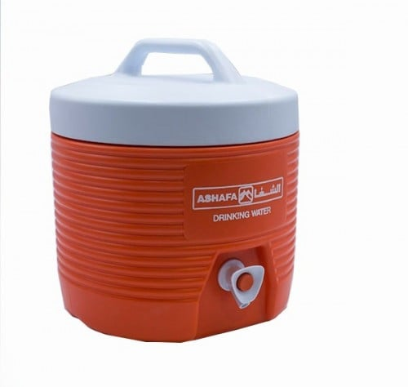 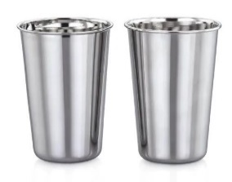 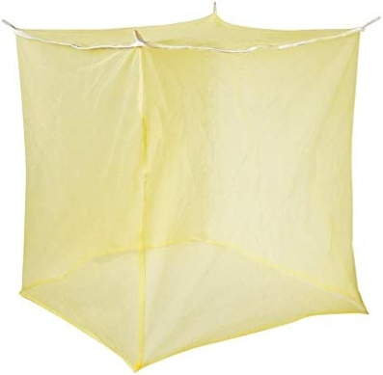
Blanket | • Description: Medium thermal blankets • Dimensions: 1.5 x 2 m • Compositions: polyester 100% • Weight: 1.5-2 kG • Distribution according to distribution protocol | PCS | $7.0 | 7 | $49.0
Mattress | • Description: Mattresses • Dimensions: 1.8*0.8 m • Thickness 10cm • Material: Normal Sponge - excellent type • Weight: 2.4 KG +/- 10% • Distribution according to distribution protocol | PCS | $15.1 | 7 | $105.7
Bed Sheet | • Description: Bed Sheets • Dimensions: 2 x 1.5 m • Compositions: Cotton • Weight: 700 gm • Distribution according to distribution protocol | PCS | $5.0 | 7 | $35.0
Kitchen |  |  |  |  | $-
Cooking pot | • Description: Cooking pot with lid and handles • Size: 7 liters (no specific diameter and depth) • Material: Aluminum • Weight: Weight for pot without lid 900 gm +/- 5% • Handles: 2 stainless steel handles, attached with leakage-proof rivets, or welded • Quality: Good Quality | PCS | $10.0 | 1 | $10.0
 | • Description: Pressure Cooking • Size: 7 liters • Material: Aluminum • Handles: 2 stainless steel or heat resistant plastic handles • Quality: Good Quality | PCS | $19.0 | 1 | $19.0
Plates | • Description: Metal Plates • Size: from 23 cm to 25 cm • Material: Stainless Steel • Quality: Good Quality | PCS | $0.9 | 5 | $4.5
Cups | • Description: Cups • Size: 250 mL minimum • Material: Stainless Steel • Quality: Good Quality | PCS | $0.2 | 2 | $0.5
Soup Bowl | • Description: Soup bowl • Size: 250 mL minimum • Material: Plastic or Steel - Hard to break • Quality: Good Quality | PCS | $0.5 | 3 | $1.5
Table Spoons | • Description: Table Spoons • Material: Stainless Steel • Quality: Good Quality | PCS | $0.1 | 5 | $0.7
Kitchen knife | • Description: Kitchen knife • Size: Thickness of blade base min 1.5mm, measured at the blade middle - Length of blade 15cm • Material: Stainless steel blade • Quality: Good Quality | PCS | $2.0 | 1 | $2.0
Serving spoon | • Description: Serving spoon • Material: Stainless Steel • Quality: Good Quality | PCS | $2.0 | 1 | $2.0
Tea Kettle | • Description: Tea Kettle • Size: 1 liter • Material: Alumanium • Quality: Good Quality | PCS | $4.0 | 1 | $4.0
Dough Bowl | • Description: Dough Bowl with lid • Size: 14 liter • Material: Plastic - Hard to break • Quality: Good Quality | PCS | $2.0 | 1 | $2.0
Packaging | 1 strong carton box for all kitchens set items to be stored with list of kitchen set contents in Arabic and English. | PCS | $0.5 | 1 | $0.5
Other House Materials
Bucket | • Description: Bucket with lid and strong plastic handle to carry the bucket • Capacity: 17 liters • Weight: 800 gms • Material: Plastic - Has flexibility and hard to break • Quality: Good Quality | PCS | $3.5 | 2 | $7.0
Sleeping Mats | • Description:Sleeping Mats • Dimensions: 1.8*1.8 m • Composition: 100% synthetic yarns in a tightly wove • Quality: Good Quality | PCS | $5.0 | 2 | $10.0
Thermos | • Water Cooler Container (Thermos) - with lid • Capacity: 8 liters - • Material: made of plastic - strong plastic handle to be carried | PCS | $14.0 | 1 | $14.0
Mosquito nets | • Description: Mosquito nets • Material: 100 % Polyethylene (PE) or Polyester (PES) • Dimensions: (180 cm length x 160 cm width x 150 cm height) +/- 5 % • Treatment: treated with WHOPES (WHO Pesticide Evaluation Scheme) • Holes: Minimum 132 holes/square inch or minimum 20 holes/square cm • Effectiveness: Effective for at least 20 washes or 3 years • Instructions: Printed paper with instructions of use, storage and wash. | PCS | $3.0 | 3 | $9.0
Grand Total |  |  |  |  | $276.4

4
 |  |  |  |  |  | ANNEX 1.5

Non Food Items (Energy Items) |  | UNIT | Unit Cost | No | Total Cost | Photos
Stove |  |  |  |  |  | 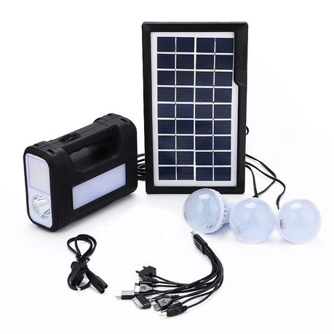 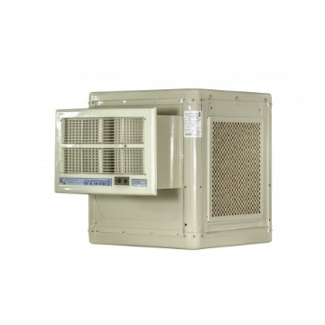 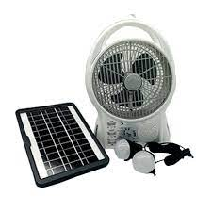 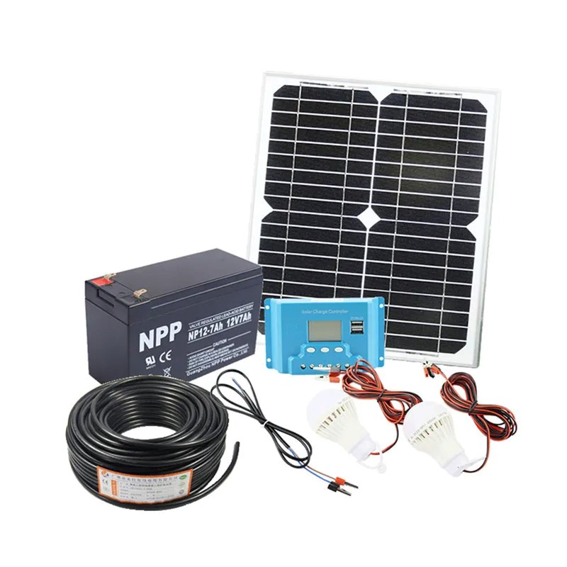 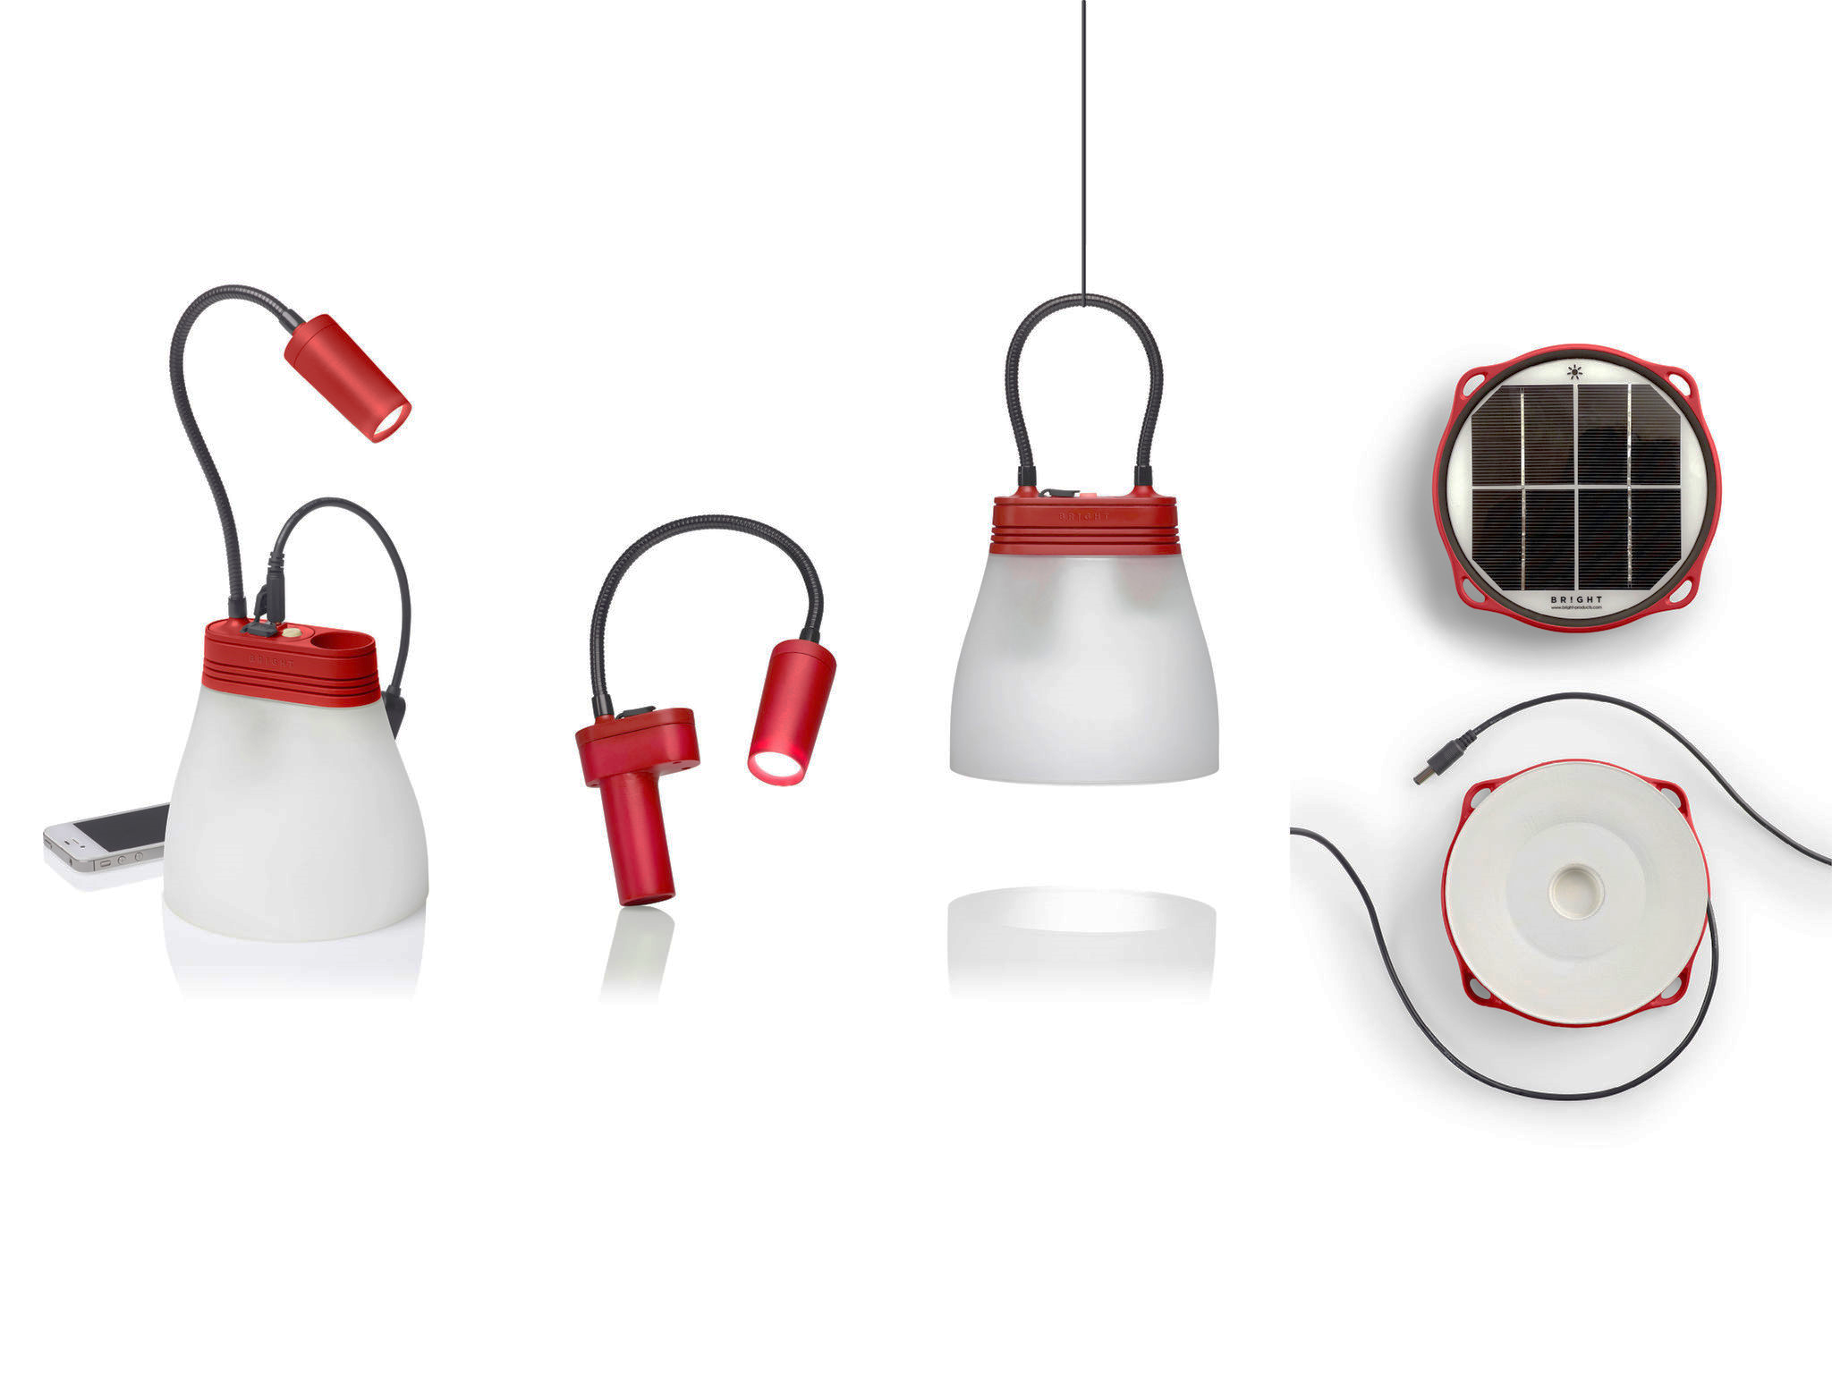 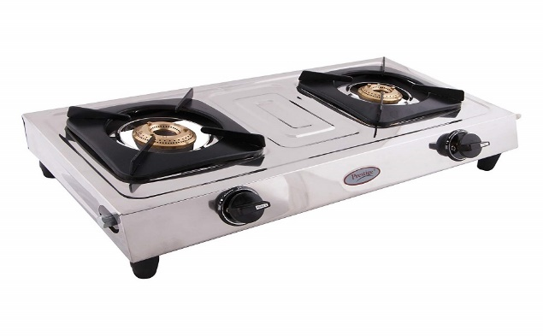 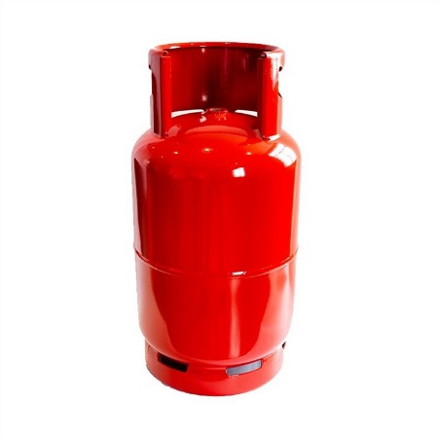 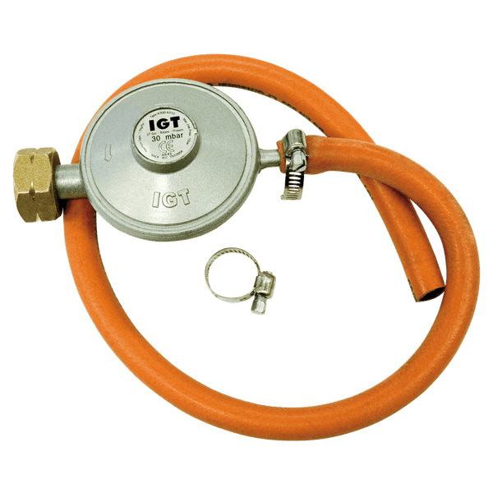 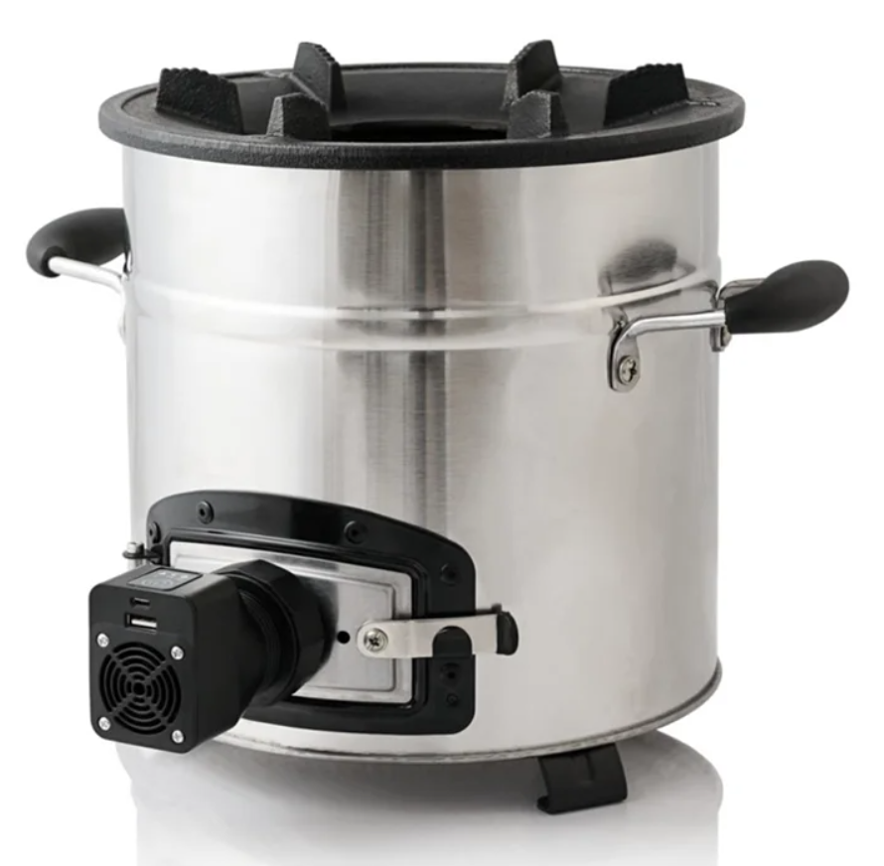 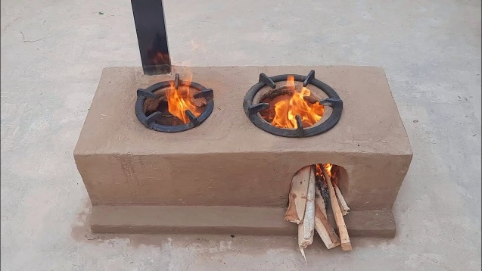
Fire Wood Cooking Stove | Cooking Stove - Cubical Yemeni Made local handcraft, made of chip-sum with fan in the side and opening in the top, with a Size of 24cm cylinder Hight. * Recommended for IDPs practicing cooking using wood. * Prefered in (Sana'a - Saa'da - Ibb - Taiz - Aden-Mukha) | PCS | $30.0 | 1 | $30.0
Gas Cooking Stove | Gas Cooking Stove - Locally Made with two fire burners. * Recommended in urban areas and for IDPs living in rented houses. * Preferred in Urban areas in different hubs and for sites in Marib. | PCS | $30.0 | 1 | $30.0
Gas Slender | New Gas Slender - certified for safety in addition to the other needed regulator, pipes, clips needed for connection with the stove * Recommended in urban areas and for IDPs living in rented houses. * Preferred in Urban areas in different hubs and for sites in Marib. | Set | $40.0 | 1 | $40.0
Mud Cooking Stove | Mud Cooking Stove - made in the site by local skilled labor or tarined community members - can be done through cash modality by training community members. There is another option of pre casted mud stoves locally made and avilable in the market which can transported to the site and installed with using cement portar. * Recommended in areas where mud is available or mud stove aviliable in the market * Preffered in (Hudaidah - Hajjah - Ibb - Taiz - Mukha) where mud is avilable in sites. • If mud is not avilable, then normal cooking stove is the alternative (Item no 1 ) | PCS | $30.0 | 1 | $30.0
Solar Equepment
Solar Light – Mini PV Solar System | Solar Lighting System - Built-In • LED type • Battery: 7.5 Wh Li-ion NMC battery (2,200 mAh at 3.7V) - • Life Span: 4+ years (1500 Charge cycles) - • Can charge mobiles, lights, etc. • Preferrd for (Sana'a - Ibb - Saa'da - Taiz -Aden-Mukha) | Set | $31.0 | 1 | $31.0
 | Solar Lighting System - Built-In • 6V 4Ah Rechargeable Sealed Lead Acid Battery • Wide Voltage Range 110-240V, 50/60Hz • Charging Time 13-15 Hours • Using 9V 3-7W Solar Panel(Max Input Less Than 7W) • Dc 6V Output (Can Charge Up To 4 Items At One Time) • USB Mobile Phone Charging Function • Preferrd for (Sana'a - Ibb - Saa'da - Taiz -Aden-Mukha) | Set | $45.0 | 1 | $45.0
Solar System | • Solar Panel 50 W • Battery 30 Ah • Controller 10 A • 4 Led Weird Lamps with Switches. • 5 m Wires • Preferrd for (Sana'a - Ibb - Saa'da - Taiz -Aden-Mukha) | Set | $80.0 | 1 | $80.0
Electrical Devices
Solar Fan | Fan and Light: • 8'' Solar Fan Rechargeable Box Fan • High and low speed available • Built-in 24 pcs led night lamp, Solar Pannel: • 6 W solar panel • Panel size: 28*19 cm Battery and Operation: • Built in lithium battery 3.2V 5.8Ah rechargeanbe LifePO4 battery • Can use 3 to 8 hours when full charged • AC and DC charge and operation available • USB jack for charging cellphone - Build-in 5 V USB output - Type wire • Double DC outpot for solar panal with switching mode power supply and Input voltage for AC 110-240V 50/60Hz • Supported with overcharge and over discharge protection function. • Prefered for hot areas (Hudaidah - Hajjah -Mukha - Aden) • In case it is provided, no need to provide other light solutions as it already has light extention. | PCS | $30.0 | 1 | $30.0
Desert Air Conditioner | • Description: Desert air conditioner 1/4 ton capacity power with a moving head with the needed accesories • Size: Length 60cm * Width 60cm, Height 75cm. Air conditioning vent size: 45cm * 35cm • Preferred for Marib. | PCS | $80.0 | 1 | $80.0

5
Inclined Roof Emergency Shelter
No | Description | Unit | Qty | Unit cost (US$) | Amount ( US$) | Photos

1 | Wall
1a | Post - Wooden Pole: 75mm x 75mm x3000mm length, Margin of tolerance: section size: 75mm x75mm (± 5mm) length: 3000 mm (± 30 mm) Colour: white or brown. Quality: hard quality, heartwood Moisture Level: dry as much as possible with moisture level (if any) must be between 9% to 15%. Shake, Cracks, free of crack as much as possible. (40% max allowed in the bundle) | No. | 8.00 | $8.00 | $64.00 |  | 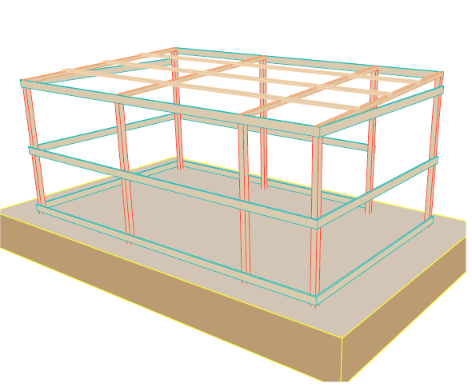
1b | Girt Beam - Wooden Plate: 100mm width x 22mm depth x 4000mm length, Margin of tolerance: Width: 100 mm (±4 mm) Thickness: 22 mm (±2 mm) Length: 4000mm (± 40mm) Colour: white or brown. Quality: hard quality Moisture Level: dry as much as possible with moisture level (if any) must be between 9% to 15%. Shake, Cracks, free of cracks as much as possible. (4% max allowed in the bundle) | No. | 7.00 | $5.00 | $35.00 | 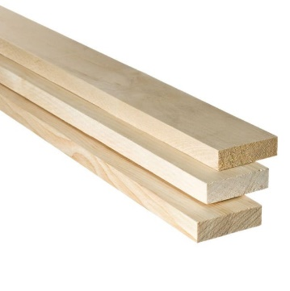
1c | Girt Beam - Wooden Plate: 100mm width x 22mm thickness x 3000mm length. Margin tolerance: Width: 100 mm (±4 mm) Thickness: 22 mm (±2 mm) Length: 3000mm (± 30mm) Colour: white or brown. Quality: hard quality Moisture Level: dry as much as possible with moisture level (if any) must be between 9% to 15%. Shake, Cracks, free of cracks as much as possible (4% max allowed in the bundle) | No. | 6.00 | $4.00 | $24.00 |  | 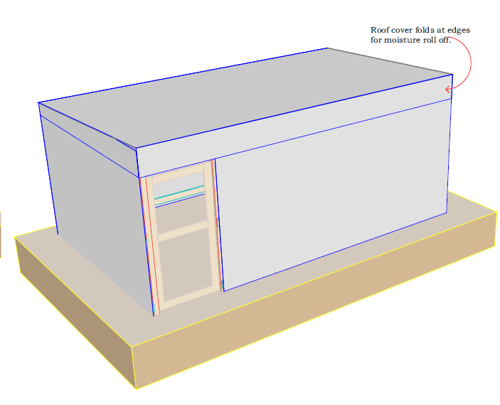
1d | Thermal Insulation Foam: Roll 20m length x1.0m width x15mm thickness. Margin of tolerance: Width: 1000 mm (±10 mm) Thickness: 15 mm (±2 mm) Length: 20m (± 5cm) Colour: Plumbic or Silver. Quality: good quality | Roll | 1.50 | $37.00 | $55.50 | 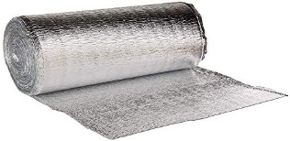
1e | Plastic Sheet(4no. Walls): Dimensions: 4x6 yard (3.5x5.35m) Weight: approx. (3.5 - 4.5) kg Manufacturing: made of woven high-density black polyethylene fibers, with reinforced rims by heat sealing on all sides. Quality: good quality | No. | 4.00 | $10.00 | $40.00
1f | Nails: Steel galvanized round wire common nail (10D). Length: 3 Inch (73mm) (± 3 mm) , Diameter: 3.2 mm (± 0.3 mm), Box weight:1.0kg. Quality: good quality | Box | 1.00 | $2.00 | $2.00
1g | Door Frame - Wooden Plate: 100mm width x 22mm depth x 4000mm length, Margin of tolerance: Width: 100 mm (±4 mm) Thickness: 22 mm (±2 mm) Length: 4000mm (± 40mm) Colour: white or brown. Quality: hard quality Moisture Level: dry as much as possible with moisture level (if any) must be between 9% to 15%. Shake, Cracks, free of cracks as much as possible. (4% max allowed in the bundle) Note: (plastic sheet shutter, measured under plastic sheet for wall) | No. | 1.00 | $5.00 | $5.00
1h | Door Frame - Wooden Plate: 100mm width x 22mm depth x 3000mm length, Margin of tolerance: Width: 100 mm (±4 mm) Thickness: 22 mm (±2 mm) Length: 3000mm (± 30mm) Colour: white or brown. Quality: hard quality Moisture Level: dry as much as possible with moisture level (if any) must be between 9% to 15%. Shake, Cracks, free of cracks as much as possible. (4% max allowed in the bundle) Note: (plastic sheet shutter, measured under plastic sheet for wall) | No. | 1.00 | $4.00 | $4.00
1i | Door Hinges: Dimensions: 100mm length, 50mm width with at least 3 holes for bolts. Quality: good quality staineless steel hinges, and complete with fixing screws. | No. | 3.00 | $1.00 | $3.00
1j | Door Latch Barrel Bolt: Dimension: 100mm long (internal and external locks) Quality: good quality stainless steel straight barrel latch bolt, and complete with fixing screws . | No. | 2.00 | $1.50 | $3.00
2 | Roof
2a | Rafter - Wooden Pole: 50mm x 50mm x4000mm length, Margin of tolerance: Section size: 50mm x50mm (± 5mm) Length: 4000 mm (± 100 mm) Colour: white or brown. Quality: hard quality, heartwood Moisture Level: dry as much as possible with moisture level (if any) must be between 9% to 15%. Shake, Cracks, free of crack as much as possible. (40% max allowed in the bundle) | No. | 4.00 | $5.50 | $22.00
2b | Purline - Wooden Plate: 100mm width x 22mm depth x 4000mm length, Margin of tolerance: Width: 100 mm (±4 mm) Thickness: 22 mm (±2 mm) Length: 4000mm (± 40mm) Colour: white or brown. Quality: hard quality Moisture Level: dry as much as possible with moisture level (if any) must be between 9% to 15%. Shake, Cracks, free of cracks as much as possible. (4% max allowed in the bundle) | No. | 4.00 | $5.00 | $20.00
2c | Plastic Sheet(1No.Roof): Dimensions: 4x6 yard (3.5x5.35m) Weight: approx. (3.5 - 4.5) kg Manufacturing: made of woven high-density black polyethylene fibers, with reinforced rims by heat sealing on all sides. Quality: good quality | No. | 1.00 | $10.00 | $10.00
2d | Thermal Insulation Foam: Roll 20m length x1.0m width x15mm thickness. Margin of tolerance: Width: 1000 mm (±10 mm) Thickness: 15 mm (±2 mm) Length: 20m (± 5cm) Colour: Plumbic or Silver. Quality: good quality | Roll | 1.00 | $37.00 | $37.00
2e | Nails - Umberalla Type: Steel galvanized round wire common nail (6D). Length:2 Inch (50mm), Diameter: 3 mm, Box weight:1.0kg. Quality: good quality | Box | 1.00 | $3.50 | $3.50 | 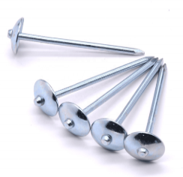
2f | Sisal Rope Length: 30m length Margin of tolerance: Length: 30m (± 0.5 m). Thickness: 10 mm (± 0.5 mm) Type: Natural Fiber | Roll | 1.00 | $5.00 | $5.00
2g | Nylon Rope Length: 30m length Margin of tolerance: Length: 30m (± 0.5 m). Thickness: 7 mm (± 0.3 mm) Type: Nylon | Roll | 1.00 | $3.00 | $3.00
2h | Nylone Zip Cable Tie: To ( attached thermal insulation to wooden plates/poles). Margin of tolerance: Length: 20-inch (600 mm) (± 10) Width: 4mm, (± 0.5mm) Box: with 100 pcs Heavy Duty Nylon Cable Tie Wire Zip Ties Self Locking Tie Wraps Cable | Box | 1.00 | $4.00 | $4.00
3 | Tools
3a | Saw: Size: 550 mm blade (± 20 mm ) (22’’) blade (hard point teeth in two different side), Materials: steel Stanley type Blade thickness: 0.90 mm (±0.05mm) Handle: plastic | pcs | 1.00 | $5.00 | $5.00
3b | Hammer: Head size: steel head 5.5 inch (13.5cm) (±7 mm) Head type: metal head with finger groove (claw) to remove the nails. Mirror polished, fine polished. Hammer weight (incl. head and handle): 0.650kg (±0.05kg) Materials: carbon steel Handle: Double colour plastic coating fiber glass handle. Handle length: 33 cm (±3cm) | pcs | 1.00 | $4.00 | $4.00
3c | Pickaxe: Head: Iron head with two pointy edge Size: 48 cm (± 3cm) for digger iron head) | pcs | 1.00 | $6.00 | $6.00
3d | Utility knife: Size: 100x18x0.5 mm (±0.06 mm in thickness) Type: steel series. Handle: plastic. | Pcs | 1.00 | $1.00 | $1.00
3e | Measure Tape Meter: Type: metal measure tape Length: 5m Brand: Good Quality | Pcs | 1.00 | $1.50 | $1.50
3f | Shovel: Type: Wooden stick with metal handle Head width: 300mm (± 30 mm) Head Length: 330mm (± 30 mm) Length: 1000 mm (± 100 mm) Brand: Good Quality | Pcs | 1.00 | $5.50 | $5.50
 | Total ( Materials and tool kit) |  |  |  | $363.00
Note: To address the shortage of wooden materials in the local market, some of the specifications were updated according to what avilable in the local market. Moreover, it is allowed to replace item 1a (exceptionally for ESK) with the below specifications: Post - Wooden Pole: 70mm x 70mm x3000mm length, Margin of tolerance: section size: 67mm x67mm (±2mm) length: 3000 mm (± 30 mm) Colour: white or brown. Quality: hard quality, Moisture Level: dry as much as possible with moisture level (if any) must be between 9% to 15%. Shake, Cracks, free of crack as much as possible. (40% max allowed in the bundle)

6
Gabled Roof Emergency Shelter
No | Description | Unit | Qty | Unit cost (US$) | Amount ( US$) | Photos
1 | Wall
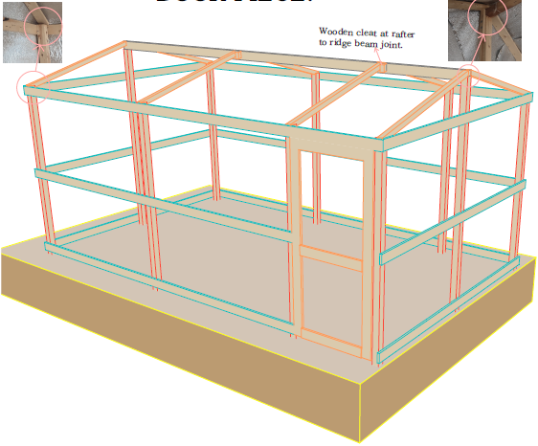
1a | Post - Wooden Pole: 75mm x 75mm x3000mm length, Margin of tolerance: section size: 75mm x75mm (± 5mm) length: 3000 mm (± 30 mm) Colour: white or brown. Quality: hard quality, heartwood Moisture Level: dry as much as possible with moisture level (if any) must be between 9% to 15%. Shake, Cracks, free of crack as much as possible. (40% max allowed in the bundle) | No. | 10.00 | $8.00 | $80.00
1b | Girt Beam - Wooden Plate: 100mm width x 22mm depth x 4000mm length, Margin of tolerance: Width: 100 mm (±4 mm) Thickness: 22 mm (±2 mm) Length: 4000mm (± 40mm) Colour: white or brown. Quality: hard quality Moisture Level: dry as much as possible with moisture level (if any) must be between 9% to 15%. Shake, Cracks, free of cracks as much as possible. (4% max allowed in the bundle) | No. | 7.00 | $5.00 | $35.00
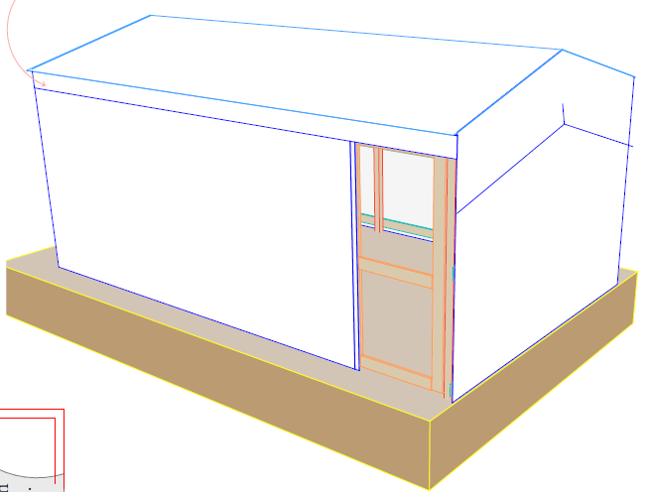
1c | Girt Beam - Wooden Plate: 100mm width x 22mm thickness x 3000mm length. Margin tolerance: Width: 100 mm (±4 mm) Thickness: 22 mm (±2 mm) Length: 3000mm (± 30mm) Colour: white or brown. Quality: hard quality Moisture Level: dry as much as possible with moisture level (if any) must be between 9% to 15%. Shake, Cracks, free of cracks as much as possible (4% max allowed in the bundle) | No. | 6.00 | $4.00 | $24.00
1d | Thermal Insulation Foam: Roll 20m length x1.0m width x15mm thickness. Margin of tolerance: Width: 1000 mm (±10 mm) Thickness: 15 mm (±2 mm) Length: 20m (± 5cm) Colour: Plumbic or Silver. Quality: good quality | roll | 1.50 | $37.00 | $55.50
1e | Plastic Sheet(4no. Walls + 1No.floor): Dimensions: 4x6 yard (3.5x5.35m) Weight: approx. (3.5 - 4.5) kg Manufacturing: made of woven high-density black polyethylene fibers, with reinforced rims by heat sealing on all sides. Quality: good quality | No. | 5.00 | $10.00 | $50.00
1f | Nails: Steel galvanized round wire common nail (10D). Length: 3 Inch (73mm) (± 3 mm) , Diameter: 3.2 mm (± 0.3 mm), Box weight:1.0kg. Quality: good quality | Box | 1.00 | $2.00 | $2.00
1g | Door Frame - Wooden Plate: 100mm width x 22mm depth x 4000mm length, Margin of tolerance: Width: 100 mm (±4 mm) Thickness: 22 mm (±2 mm) Length: 4000mm (± 40mm) Colour: white or brown. Quality: hard quality Moisture Level: dry as much as possible with moisture level (if any) must be between 9% to 15%. Shake, Cracks, free of cracks as much as possible. (4% max allowed in the bundle) Note: (plastic sheet shutter, measured under plastic sheet for wall) | No. | 1.00 | $5.00 | $5.00
 | Door Frame - Wooden Plate: 100mm width x 22mm depth x 3000mm length, Margin of tolerance: Width: 100 mm (±4 mm) Thickness: 22 mm (±2 mm) Length: 3000mm (± 30mm) Colour: white or brown. Quality: hard quality Moisture Level: dry as much as possible with moisture level (if any) must be between 9% to 15%. Shake, Cracks, free of cracks as much as possible. (4% max allowed in the bundle) Note: (plastic sheet shutter, measured under plastic sheet for wall) | No. | 1.00 | $4.00 | $4.00
1h | Door Hinges: Dimensions: 100mm length, 50mm width with at least 3 holes for bolts. Quality: good quality staineless steel hinges, and complete with fixing screws. | No. | 3.00 | $1.00 | $3.00
1i | Door Latch Barrel Bolt: Dimension: 100mm long (internal and external locks) Quality: good quality stainless steel straight barrel latch bolt, and complete with fixing screws . | No. | 2.00 | $1.50 | $3.00
2 | Roof
2a | Rafter - Wooden Pole: 50mm x 50mm x4000mm length, Margin of tolerance: Section size: 50mm x50mm (± 5mm) Length: 4000 mm (± 100 mm) Colour: white or brown. Quality: hard quality, heartwood Moisture Level: dry as much as possible with moisture level (if any) must be between 9% to 15%. Shake, Cracks, free of crack as much as possible. (40% max allowed in the bundle) | No. | 4.00 | $6.00 | $24.00
2b | Purline - Wooden Plate: 100mm width x 50mm depth x 5000mm length, Margin of tolerance: Width: 100 mm (±4 mm) Thickness: 50 mm (±5 mm) Length: 5000mm (± 50mm) Colour: white or brown. Quality: hard quality Moisture Level: dry as much as possible with moisture level (if any) must be between 9% to 15%. Shake, Cracks, free of cracks as much as possible (40% max allowed in the bundle) | No. | 1.00 | $11.00 | $11.00
2c | Plastic Sheet(1No.Roof): Dimensions: 4x6 yard (3.5x5.35m) Weight: approx. (3.5 - 4.5) kg Manufacturing: made of woven high-density black polyethylene fibers, with reinforced rims by heat sealing on all sides. Quality: good quality | No. | 1.00 | $10.00 | $10.00
2d | Thermal Insulation Foam: Roll 20m length x1.0m width x15mm thickness. Margin of tolerance: Width: 1000 mm (±10 mm) Thickness: 15 mm (±2 mm) Length: 20m (± 5cm) Colour: Plumbic or Silver. Quality: good quality | roll | 1.00 | $37.00 | $37.00
2e | Nylone Zip Cable Tie: To ( attached thermal insulation to wooden plates/poles). Margin of tolerance: Length: 12-inch (300 mm) (± 10) Width: 4mm, (± 0.5mm) Box: with 100 pcs Heavy Duty Nylon Cable Tie Wire Zip Ties Self Locking Tie Wraps Cable | Box | 0.50 | $4.00 | $2.00
2f | Sisal Rope Length: 30m length Margin of tolerance: Length: 30m (± 0.5 m). Thickness: 10 mm (± 0.5 mm) Type: Natural Fiber | roll | 1 | $5.00 | $5.00
2j | Nylon Rope Length: 30m length Margin of tolerance: Length: 30m (± 0.5 m). Thickness: 7 mm (± 0.3 mm) Type: Nylon | roll | 1 | $3.00 | $3.00 | 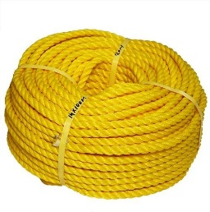
2h | Nails - Umberalla Type: Steel galvanized round wire common nail (6D). Length:2 Inch (50mm), Diameter: 3 mm, Box weight:1.0kg. Quality: good quality | Box | 1 | $3.00 | $3.00
3 | Tools
3a | Saw: Size: 550 mm blade (± 20 mm ) (22’’) blade (hard point teeth in two different side), Materials: steel Stanley type Blade thickness: 0.90 mm (±0.05mm) Handle: plastic | pcs | 1.00 | $5.00 | $5.00
3b | Hammer: Head size: steel head 5.5 inch (13.5cm) (±7 mm) Head type: metal head with finger groove (claw) to remove the nails. Mirror polished, fine polished. Hammer weight (incl. head and handle): 0.650kg (±0.05kg) Materials: carbon steel Handle: Double colour plastic coating fiber glass handle. Handle length: 33 cm (±3cm) | pcs | 1.00 | $4.00 | $4.00
3c | Pickaxe: Head: Iron head with two pointy edge Size: 48 cm (± 3cm) for digger iron head) | pcs | 1.00 | $6.00 | $6.00
3d | Utility knife: Size: 100x18x0.5 mm (±0.06 mm in thickness) Type: steel series. Handle: plastic. | Pcs | 1.00 | $1.00 | $1.00
3e | Measure Tape Meter: Type: metal measure tape Length: 5m Brand: Good Quality | Pcs | 1.00 | $1.50 | $1.50
3e | Shovel: Type: Wooden stick with metal handle Head width: 300mm (± 30 mm) Head Length: 330mm (± 30 mm) Length: 1000 mm (± 100 mm) Brand: Good Quality | Pcs | 1.00 | $5.50 | $5.50
 | Total ( Material and tools only) |  |  |  | $356.50
Note: To address the shortage of wooden materials in the local market, some of the specifications were updated according to what avilable in the local market. Moreover, it is allowed to replace item 1a (exceptionally for ESK) with the below specifications: Post - Wooden Pole: 70mm x 70mm x3000mm length, Margin of tolerance: section size: 67mm x67mm (±2mm) length: 3000 mm (± 30 mm) Colour: white or brown. Quality: hard quality, Moisture Level: dry as much as possible with moisture level (if any) must be between 9% to 15%. Shake, Cracks, free of crack as much as possible. (40% max allowed in the bundle)

