Activty Matrix
 |  |  |  | Shelter Cluster Activity Matrix 2025

Cluster HRP 2025 Objectives: | 1. Provide timely, life-saving emergency shelter and NFI assistance to families affected or displaced by conflict and climatic crises, ensuring their immediate needs are met. 2. Enhance the resilience of the most vulnerable protracted IDPs and their host communities living in precarious shelter conditions by providing safer and more dignified mid-term shelter solutions, thereby sustaining their lives and well-being. 3. Strengthen the security and stability of vulnerable IDPs and returnee families by rehabilitating or constructing advanced shelters, thereby restoring safe living conditions and fostering long-term resilience.
 | Activity as per HRP | Sub-Activity |  | Definition | Output indicator | Implementation Modality | Conditionality/ Restricted | Targeted population | Duration | Type of Solution | Activity Cost (total of columns L, M and N) | Material Cost | Support Costs ( Purchase, Transportation and Installation) | Organization Operational Costs ( Staff + Support Cost + Movement + Supervision + Warehousing + Distribution + Verification ) | Components
Non Food Items | Distribution of Non-Food Items including energy kit |  | Distribution of Non-Food Items | Deliver NFI kits that have essential household items adapted to the response and context. Standard kit for emergencies: Medium Thermal Blankets, Mattresses, Kitchen Sets (Cooking pot, Plates, Cups, Soup Bowl, Table Spoons, Kitchen knife, Serving spoon, Tea Kettle and Dough Bowl), Sleeping Mats, and Water Buckets. | # of HHs reached with NFI Kits | In-kind and Cash/Voucher | Conditional | IDPs, Returnees, Host Community | One-off assistance after an emergency | Emergency Standard Kit | $290 | $220 | $24 | $46 | Sheet No 1
 |  |  |  | Cold areas kit: High Thermal Blankets, Mattresses, Kitchen Sets (Cooking pot, Plates, Cups, Soup Bowl, Table Spoons, Kitchen knife, Serving spoon, Tea Kettle and Dough Bowl), Sleeping Mats, and Water Buckets. Hot areas kit: Medium Thermal Blankets, Mattresses, Bed Sheet, Kitchen Sets (Cooking pot, Plates, Cups, Soup Bowl, Table Spoons, Kitchen knife, Serving spoon, Tea Kettle, Dough Bowl and Thermos), Sleeping Mats, Water Buckets and Mosquito nets. |  |  |  |  |  | Specific NFI kit for cold and hot areas | $370 | $280 | $30 | $60 | Sheet No 2 and 3
 |  |  | Distribution of Energy Saving Kit | Provision of household renewable energy items, including a diverse range such as cooking stoves (fueled by firewood, gas, and mud), solar lights, solar systems, fans, and basic desert air conditioners, can significantly elevate sustainable living standards. By providing these eco-friendly solutions, it contributes to minimizing environmental impact and empower communities with efficient and reliable sources of energy for their daily needs and contributes to mitigation of protection risks. | # of HHs provided renewable energy sources (for cooking, lighting etc) mitigating protection risks | In-kind and Cash/Voucher | Conditional | IDPs, Returnees, Host Community | One-off assistance after an emergency | Selectable items based on context/needs | $100 | $75 | $7 | $18 | Sheet No 4 A list of items that can be provided with the limit of $75
 | Provision of Winterization Support |  | Provision of Winterization Support | This seasonal program provides NFI-related personal insulation, including high thermal blankets and winter clothing, in areas exposed to extreme cold temperatures during the winter season. | # of HHs reached with winterization support | In-kind and Cash/Voucher | Conditional | IDPs, Returnees, Host Community in areas below 10 degrees in winter months | One-off assistance during the winter season | Seasonal assistance package | $240 | $186 | $12 | $42 | Thermal Blankets according to distribution Brotocol (7 in average) + Cloth assistance
Cash for Rent | Provision of Rental Support |  | Provision of Rental Support | This cash program is dedicated to aiding the most vulnerable families displaced in an urban setting, facing challenges affording rental payments or under imminent eviction threats. The actual assistance value shall be determined through a comprehensive assessment of the rental market in the targeted locations. The families targeted by program should be linked to livelyhood support programs. | # of HHs reached with rental support | Cash | Conditional and Restricted on usage(1) | IDPs, Returnees, Host Community | Recurring Assistance for 6-12 Months (a monthly transfer equivalent to the rental assistance is recommended) | Shelter solution mainly in urban or semi-urban context | $440 | $360 | $- | $80
Shelter Support | Distribution of Emergency Shelter |  | Distribution of Emergencey Shelters | The emergency shelter provision ensures an average of 15m2 surface living area to accommodate 4 persons, encompassing materials such as plastic sheeting, thermal insulation foam rolls, timber, ropes, nails, and essential tools (hammer, saw, pickaxe, utility knife). In specific cases, tents may also be provided such as in Marib, adhering to the endorsed tent distribution policy and avoiding establishing of officializing camps. | # of HHs reached with emergency shelter | In-kind and Cash/Voucher | Conditional | IDPs | One-off assistance | Emergency Standard Kit | $540 | $380 | $50 | $110 | Sheet No 5 and 6
 |  |  | Provision of Transitional Shelters(2) | This activity involves constructing new transitional shelters designed to offer habitable covered living space, ensuring a secure and healthy environment that respects privacy and dignity until a durable shelter solution is achieved. The choice of shelter materials varies according to the local context, influencing the overall cost. Typically, the structure comprises wooden poles (Timber), wooden plates, or, in specific contexts, hollow steel sections. Roofs are crafted from metal sheets or locally sourced materials like thatch. Walls predominantly consist of wooden plywood, with some areas utilizing metal sheets or other local materials such as thatch mats (khazaf) for enhanced protection. In regions without Housing, Land, and Property (HLP) issues, more durable materials like mud and cement blocks can be selected for wall construction. | # of HHs reached with transitional shelters (safer and dignified) | In-kind (through a contractor) and cash | Conditional and Restricted on usage | IDPs | One-off assistance | # of HHs reached with localized shelter kits (Tihama) - M4 | $740 | $500 | $100 | $140 | There is no single design that will fit all context. Components depends on the design and avilable materials
...
 | Provision of Shelter repairs and upgrades ensuring minimum standards of living |  | Provision of Shelter Repairs and Upgrades | This activity involves basic maintenance for sub-standard shelters in an Internally Displaced Persons (IDP) hosting site, such as replacing damaged structural components, repairing broken windows, reinforcing roofs, installing lockers, and providing necessary materials to ensure the safety, security, and protection of families from climatic conditions. The upgrade of sub-standard shelters aims to increase privacy, reinforce protection against the elements, and provide additional living and storage space, ultimately contributing to an improved living environment for displaced families. | # of HHs reached with shelter repairs and upgrades | In-kind (through a contractor) and Cash | Conditional and Restricted on usage | IDPs
 |  |  | Provision of Shelter Repair Kits | The Shelter Repair Kit comprises essential materials primarily required for addressing partial damages incurred by shelters during the rainy season, such as plastic sheeting, nails, nylon rope, sandbags, saw, hammer, pickaxe, shovel, and wooden pole and plate. | # of HHs reached with shelter repair kits | In-kind | N/A | IDPs
Sustainable Shelter | Provision of humanitarian support for house rehabilitation and advance shelters |  | Provision of Humanitarian Support for House Rehabilitation | The House Rehabilitation Program extends assistance to families with minor housing damage by either engaging contractors or providing cash grants, typically distributed in three installments. This support aims to address issues such as minor wall damage, roofing problems, and other related concerns. | # of households reached with house rehabilitation | In-kind (through a contractor) and Cash | Conditional and Restricted on usage | Returnees, Host Community (affected by conflict or natural disaster)
 |  |  | Provision of Humanitarian Support for Advanced Shelter (Construction/Reconstruction) | The House Reconstruction Program encompasses the construction of one to two-room houses, involving the building or reinforcement of existing foundations for a structurally sound, small dwelling. This reconstruction effort aims to provide an average of 5.5 m2 per person (net surface), inclusive of kitchen and sanitation facilities. | # of households reached with advance shelters | In-kind (through a contractor) and Cash | Conditional and Restricted on usage | Returnees, Host Community (affected by conflict or natural disaster) IDPs in exceptional cases (availability of security of tenure with plans for long term stay)
Flood Mitigation | Support IDP Settlement Planning and Improvement (Incl. flood mitigation measures) |  | Provision of Flood Mitigation Solutions (Site Level) | This activity contributes to site planning and improvement by implementing flood mitigation measures in flood-prone areas, ensuring the protection of shelters during the rainy season. Solutions can include drainage channels, building gabion walls, and soil barriers. | # of households in IDP sites provided with flood mitigation solutions | In-kind (through a contractor) and Cash (Cash for work) | Conditional | IDPs
 |  |  | Provision of Flood Mitigation Solutions (Shelter Level) | This activity contributes to shelter protection by implementing flood mitigation measures in flood-prone areas, ensuring the protection of individual shelters during the rainy season. Solutions can include small drainage channel around the shelter, sand bags. Additional measures might involve dikes around the shelter perimeter and creating barriers to redirect water flow, enhancing overall safety and resilience. | # of IDP sites reached with flood mitigation solutions | In-kind (through a contractor) and Cash (Cash for work) | Conditional | IDPs
Infrastructutre | Support IDP Settlement Planning and Improvement | 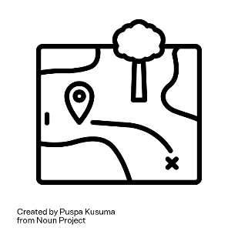 | Provision of Settlement Planning Support/ Infrastructure Activities (Site Level) | The activity emphasizes the technical aspects of site improvement. This includes site planning and leveling, the installation of solar lamps at site level, implementing risk reduction interventions, paving, and other related initiatives. | # of IDP settlement planned/ reached with settlement infrastructure activities | In-kind (through a contractor) and Cash (Cash for work) | Conditional | IDPs
Training |  |  | Provision of Training in Shelter Repair and Climate-Adaptive Techniques | This activity aims to enhance the community's capacity by teaching techniques and skills necessary for implementing climate-adaptive measures that protect their shelters from climate-related risks. Additionally, it includes training in basic maintenance skills to ensure the longevity of their shelters. | # of households trained in shelter repair and climate-adaptive techniques | In-kind | N/A | IDPs
 |  |  |  | (1) GSC cash-based programmes for Shelter and NFI, https://sheltercluster.org/shelter-and-cash-working-group/documents/cash-based-programmes-shelter-and-nfi-implications-upon
 |  |  |  | (2) The transitional shelter designs were presented as examples and should not be interpreted as an exhaustive list.

1
 |  |  |  |  |  | ANNEX 1.1

Non Food Items (Emergency Standard Kit) |  | UNIT | Unit Cost | No | Total Cost | Photos
Bedding |  |  |  |  |  | 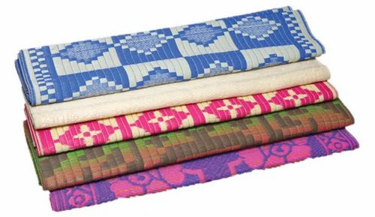 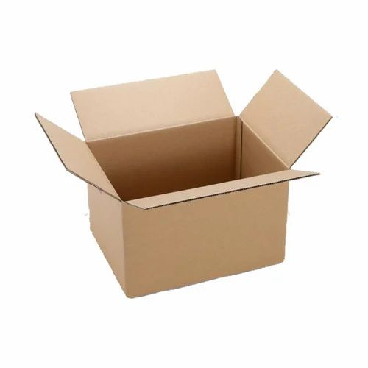 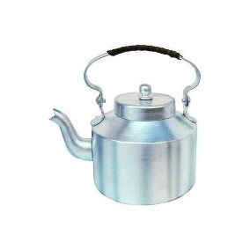 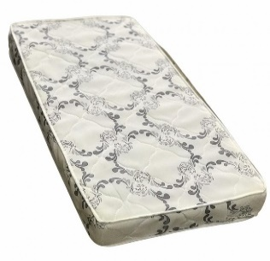 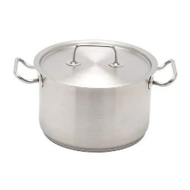 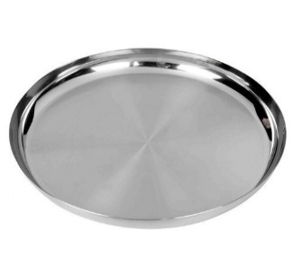 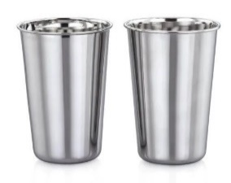 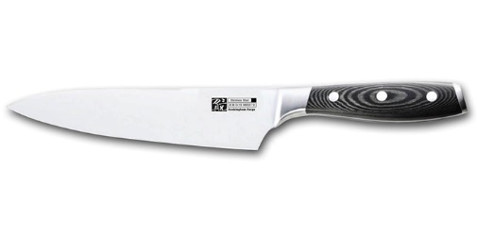 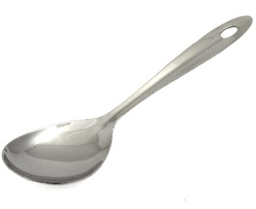 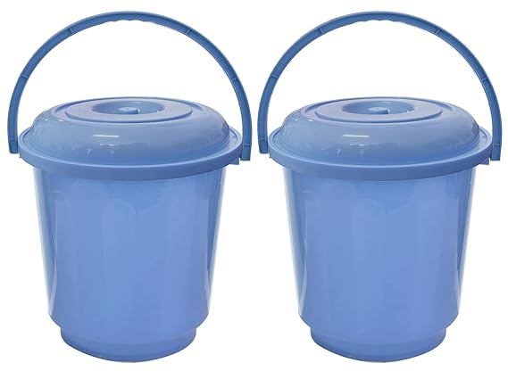 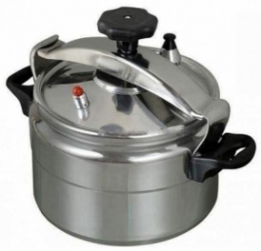 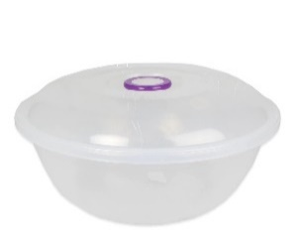 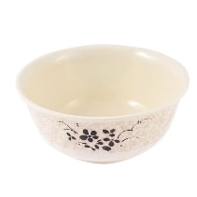
Blanket | • Description: Medium thermal blankets • Dimentions: 1.5 x 2 m • Compositions: polyester 100% • Weight: 1.5-2 kG • Distribution according to distribution protocol | PCS | $7.0 | 7 | $49.0
Mattress | • Description: Mattresses • Dimensions: 1.8*0.8 m • Thickness 10cm • Material: Normal Sponge - excellent type • Weight: 2.4 KG +/- 10% • Distribution according to distribution protocol | PCS | $15.1 | 7 | $105.7
Kitchen
Cooking pot | • Description: Cooking pot with lid and handles • Size: 7 liters (no specific diameter and depth) • Material: Aluminum • Weight: Weight for pot without lid 900 gm +/- 5% • Handles: 2 stainless steel handles, attached with leakage-proof rivets, or welded • Quality: Good Quality | PCS | $10.0 | 1 | $10.0
 | • Description: Pressure Cooking • Size: 7 liters • Material: Aluminum • Handles: 2 stainless steel or heat resistant plastic handles • Quality: Good Quality | PCS | $19.0 | 1 | $19.0
Plates | • Description: Metal Plates • Size: from 23 cm to 25 cm • Material: Stainless Steel • Quality: Good Quality | PCS | $0.9 | 5 | $4.5
Cups | • Description: Cups • Size: 250 mL minimum • Material: Stainless Steel • Quality: Good Quality | PCS | $0.2 | 2 | $0.5
Soup Bowl | • Description: Soup bowl • Size: 250 mL minimum • Material: Plastic or Steel - Hard to break • Quality: Good Quality | PCS | $0.5 | 3 | $1.5
Table Spoons | • Description: Table Spoons • Material: Stainless Steel • Quality: Good Quality | PCS | $0.1 | 5 | $0.7
Kitchen knife | • Description: Kitchen knife • Size: Thickness of blade base min 1.5mm, measured at the blade middle - Length of blade 15cm • Material: Stainless steel blade • Quality: Good Quality | PCS | $2.0 | 1 | $2.0
...

2
 |  |  |  |  |  | ANNEX 1.2

Non Food Items (Cold Areas) |  | UNIT | Unit Cost | No | Total Cost | Photos
Bedding |  |  |  |  |  | 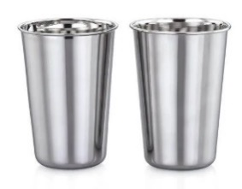 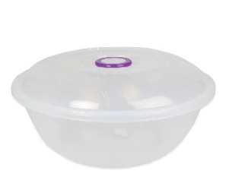
Blanket | • Description: High thermal blankets • Dimentions: 1.5 x 2 m • Compositions: polyester 100% • Weight: 3-4 kG • Distribution according to distribution protocol | PCS | $15.0 | 7 | $105.0
Mattress | • Description: Mattresses • Dimensions: 1.8*0.8 m • Thickness 10cm • Material: Normal Sponge - excellent type • Weight: 2.4 KG +/- 10% • Distribution according to distribution protocol | PCS | $15.1 | 7 | $105.7
Kitchen
Cooking pot | • Description: Cooking pot with lid and handles • Size: 7 liters (no specific diameter and depth) • Material: Aluminum • Weight: Weight for pot without lid 900 gm +/- 5% • Handles: 2 stainless steel handles, attached with leakage-proof rivets, or welded • Quality: Good Quality | PCS | $10.0 | 1 | $10.0
 | • Description: Pressure Cooking • Size: 7 liters • Material: Aluminum • Handles: 2 stainless steel or heat resistant plastic handles • Quality: Good Quality | PCS | $19.0 | 1 | $19.0
Plates | • Description: Metal Plates • Size: from 23 cm to 25 cm • Material: Stainless Steel • Quality: Good Quality | PCS | $0.9 | 5 | $4.5
Cups | • Description: Cups • Size: 250 mL minimum • Material: Stainless Steel • Quality: Good Quality | PCS | $0.2 | 2 | $0.5
Soup Bowl | • Description: Soup bowl • Size: 250 mL minimum • Material: Plastic or Steel - Hard to break • Quality: Good Quality | PCS | $0.5 | 3 | $1.5
Table Spoons | • Description: Table Spoons • Material: Stainless Steel • Quality: Good Quality | PCS | $0.1 | 5 | $0.7
Kitchen knife | • Description: Kitchen knife • Size: Thickness of blade base min 1.5mm, measured at the blade middle - Length of blade 15cm • Material: Stainless steel blade • Quality: Good Quality | PCS | $2.0 | 1 | $2.0
...

3
 |  |  |  |  |  | ANNEX 1.3

Non Food Items (Hot Atreas) |  | UNIT | Unit Cost | No | Total Cost | Photos
Bedding |  |  |  |  |  | 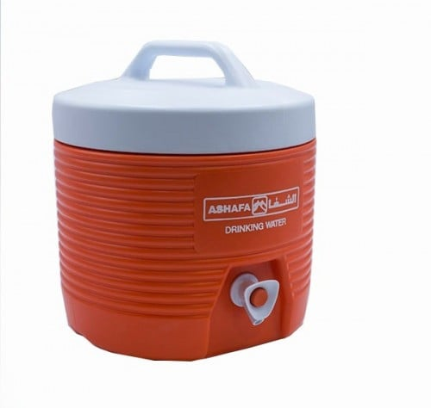 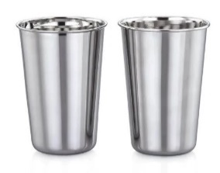 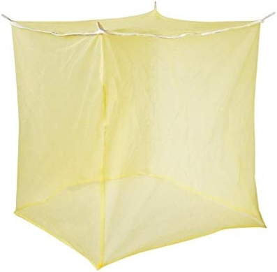
Blanket | • Description: Medium thermal blankets • Dimensions: 1.5 x 2 m • Compositions: polyester 100% • Weight: 1.5-2 kG • Distribution according to distribution protocol | PCS | $7.0 | 7 | $49.0
Mattress | • Description: Mattresses • Dimensions: 1.8*0.8 m • Thickness 10cm • Material: Normal Sponge - excellent type • Weight: 2.4 KG +/- 10% • Distribution according to distribution protocol | PCS | $15.1 | 7 | $105.7
Bed Sheet | • Description: Bed Sheets • Dimensions: 2 x 1.5 m • Compositions: Cotton • Weight: 700 gm • Distribution according to distribution protocol | PCS | $5.0 | 7 | $35.0
Kitchen |  |  |  |  | $-
Cooking pot | • Description: Cooking pot with lid and handles • Size: 7 liters (no specific diameter and depth) • Material: Aluminum • Weight: Weight for pot without lid 900 gm +/- 5% • Handles: 2 stainless steel handles, attached with leakage-proof rivets, or welded • Quality: Good Quality | PCS | $10.0 | 1 | $10.0
 | • Description: Pressure Cooking • Size: 7 liters • Material: Aluminum • Handles: 2 stainless steel or heat resistant plastic handles • Quality: Good Quality | PCS | $19.0 | 1 | $19.0
Plates | • Description: Metal Plates • Size: from 23 cm to 25 cm • Material: Stainless Steel • Quality: Good Quality | PCS | $0.9 | 5 | $4.5
Cups | • Description: Cups • Size: 250 mL minimum • Material: Stainless Steel • Quality: Good Quality | PCS | $0.2 | 2 | $0.5
Soup Bowl | • Description: Soup bowl • Size: 250 mL minimum • Material: Plastic or Steel - Hard to break • Quality: Good Quality | PCS | $0.5 | 3 | $1.5
Table Spoons | • Description: Table Spoons • Material: Stainless Steel • Quality: Good Quality | PCS | $0.1 | 5 | $0.7
...

4
 |  |  |  |  |  | ANNEX 1.5

Non Food Items (Energy Items) |  | UNIT | Unit Cost | No | Total Cost | Photos
Stove |  |  |  |  |  | 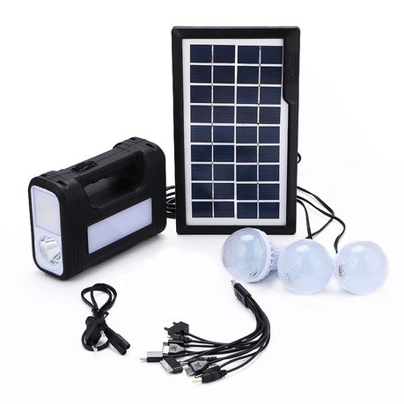 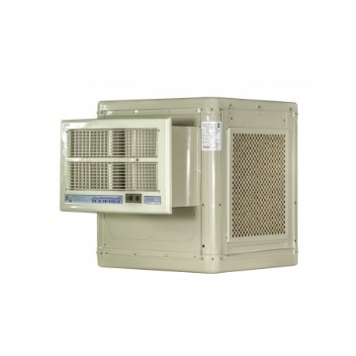 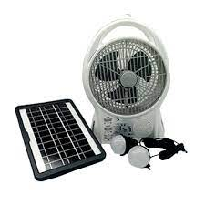 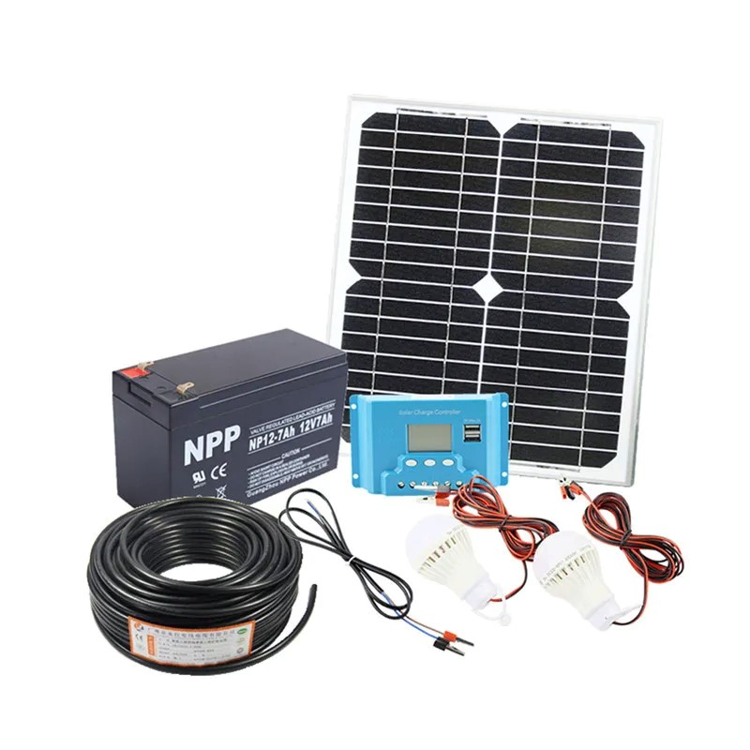 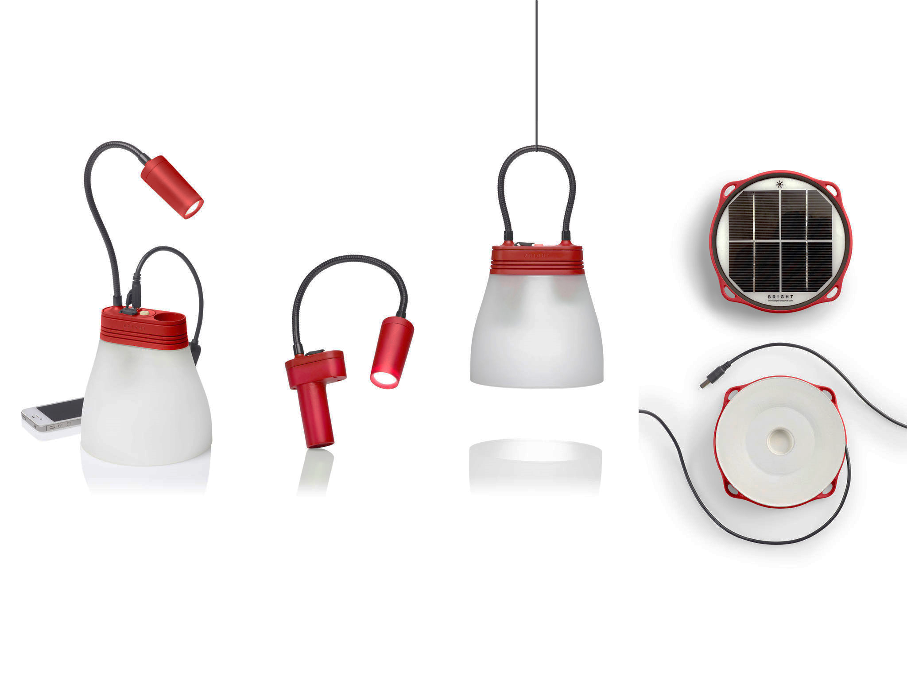 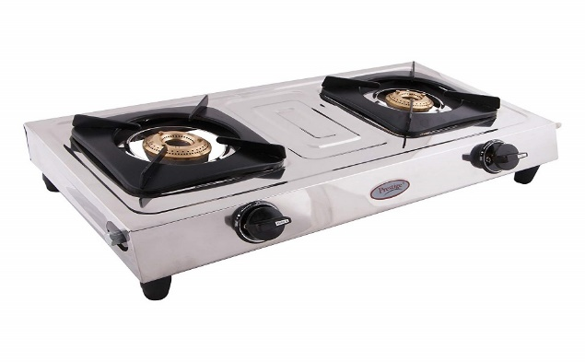 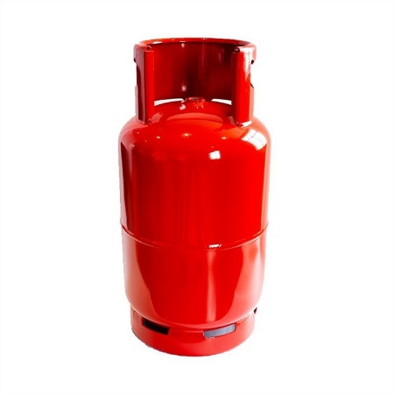 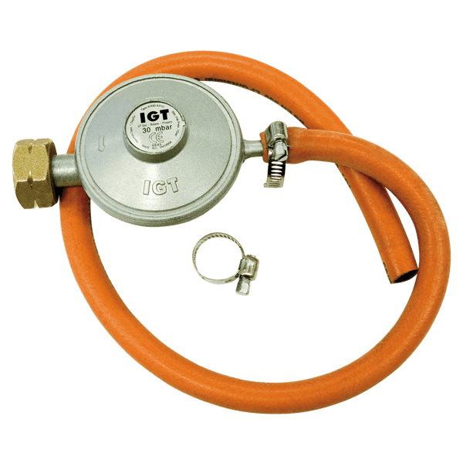 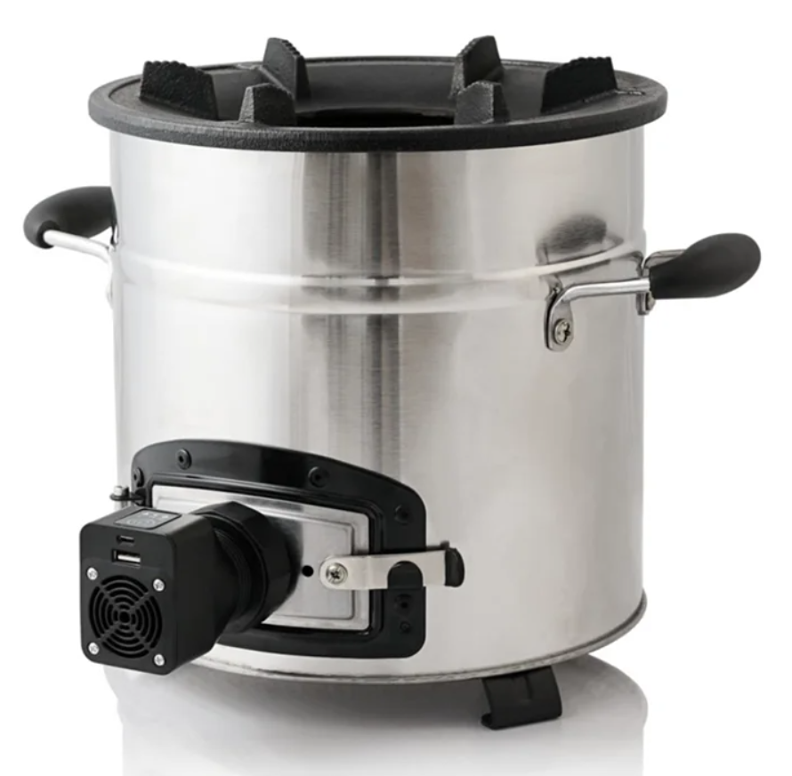 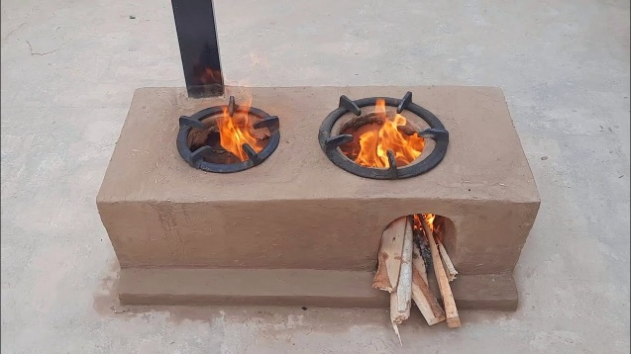
Fire Wood Cooking Stove | Cooking Stove - Cubical Yemeni Made local handcraft, made of chip-sum with fan in the side and opening in the top, with a Size of 24cm cylinder Hight. * Recommended for IDPs practicing cooking using wood. * Prefered in (Sana'a - Saa'da - Ibb - Taiz - Aden-Mukha) | PCS | $30.0 | 1 | $30.0
Gas Cooking Stove | Gas Cooking Stove - Locally Made with two fire burners. * Recommended in urban areas and for IDPs living in rented houses. * Preferred in Urban areas in different hubs and for sites in Marib. | PCS | $30.0 | 1 | $30.0
Gas Slender | New Gas Slender - certified for safety in addition to the other needed regulator, pipes, clips needed for connection with the stove * Recommended in urban areas and for IDPs living in rented houses. * Preferred in Urban areas in different hubs and for sites in Marib. | Set | $40.0 | 1 | $40.0
Mud Cooking Stove | Mud Cooking Stove - made in the site by local skilled labor or tarined community members - can be done through cash modality by training community members. There is another option of pre casted mud stoves locally made and avilable in the market which can transported to the site and installed with using cement portar. * Recommended in areas where mud is available or mud stove aviliable in the market * Preffered in (Hudaidah - Hajjah - Ibb - Taiz - Mukha) where mud is avilable in sites. • If mud is not avilable, then normal cooking stove is the alternative (Item no 1 ) | PCS | $30.0 | 1 | $30.0
Solar Equepment
Solar Light – Mini PV Solar System | Solar Lighting System - Built-In • LED type • Battery: 7.5 Wh Li-ion NMC battery (2,200 mAh at 3.7V) - • Life Span: 4+ years (1500 Charge cycles) - • Can charge mobiles, lights, etc. • Preferrd for (Sana'a - Ibb - Saa'da - Taiz -Aden-Mukha) | Set | $31.0 | 1 | $31.0
 | Solar Lighting System - Built-In • 6V 4Ah Rechargeable Sealed Lead Acid Battery • Wide Voltage Range 110-240V, 50/60Hz • Charging Time 13-15 Hours • Using 9V 3-7W Solar Panel(Max Input Less Than 7W) • Dc 6V Output (Can Charge Up To 4 Items At One Time) • USB Mobile Phone Charging Function • Preferrd for (Sana'a - Ibb - Saa'da - Taiz -Aden-Mukha) | Set | $45.0 | 1 | $45.0
Solar System | • Solar Panel 50 W • Battery 30 Ah • Controller 10 A • 4 Led Weird Lamps with Switches. • 5 m Wires • Preferrd for (Sana'a - Ibb - Saa'da - Taiz -Aden-Mukha) | Set | $80.0 | 1 | $80.0
Electrical Devices
Solar Fan | Fan and Light: • 8'' Solar Fan Rechargeable Box Fan • High and low speed available • Built-in 24 pcs led night lamp, Solar Pannel: • 6 W solar panel • Panel size: 28*19 cm Battery and Operation: • Built in lithium battery 3.2V 5.8Ah rechargeanbe LifePO4 battery • Can use 3 to 8 hours when full charged • AC and DC charge and operation available • USB jack for charging cellphone - Build-in 5 V USB output - Type wire • Double DC outpot for solar panal with switching mode power supply and Input voltage for AC 110-240V 50/60Hz • Supported with overcharge and over discharge protection function. • Prefered for hot areas (Hudaidah - Hajjah -Mukha - Aden) • In case it is provided, no need to provide other light solutions as it already has light extention. | PCS | $30.0 | 1 | $30.0
...

5
 | BOQs - | INCLINED ROOF EMERGENCY SHELTER - MODEL 1 5mx3m
No | Description | Unit | Qty | Unit cost (US$) | Amount ( US$) | Photos
A | Wall
a1 | Post - Wooden Pole: 75mm x 75mm x3000mm length, Margin of tolerance: section size: 75mm x75mm (± 5mm) length: 3000 mm (± 30 mm) Colour: white or brown. Quality: hard quality, heartwood Moisture Level: dry as much as possible with moisture level (if any) must be between 9% to 15%. Shake, Cracks, free of crack as much as possible. (40% max allowed in the bundle) | No. | 8.00 | $8.00 | $64.00 |  | 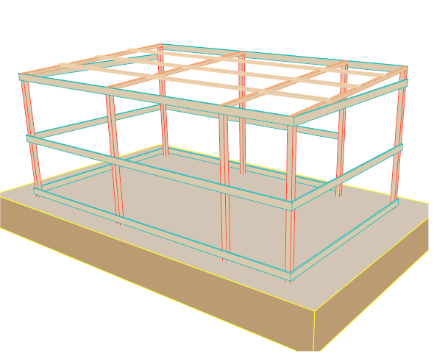
a2 | Girt Beam - Wooden Plate: 100mm width x 22mm depth x 4000mm length, Margin of tolerance: Width: 100 mm (±4 mm) Thickness: 22 mm (±2 mm) Length: 4000mm (± 40mm) Colour: white or brown. Quality: hard quality Moisture Level: dry as much as possible with moisture level (if any) must be between 9% to 15%. Shake, Cracks, free of cracks as much as possible. (4% max allowed in the bundle) | No. | 7.00 | $5.00 | $35.00 | 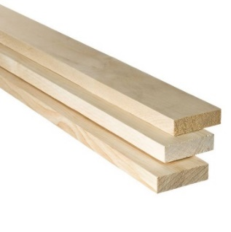 | 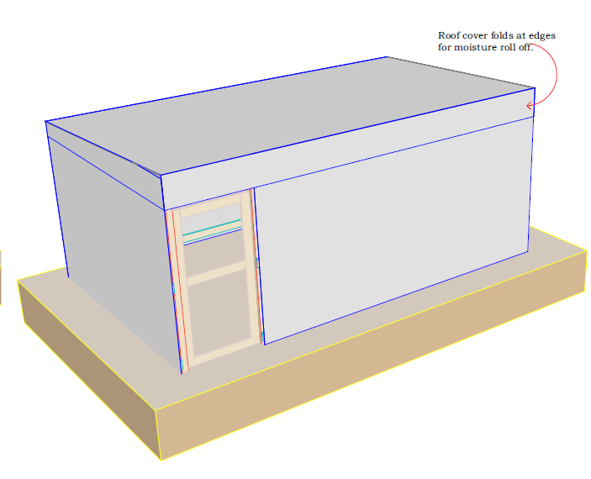
a3 | Girt Beam - Wooden Plate: 100mm width x 22mm thickness x 3000mm length. Margin tolerance: Width: 100 mm (±4 mm) Thickness: 22 mm (±2 mm) Length: 3000mm (± 30mm) Colour: white or brown. Quality: hard quality Moisture Level: dry as much as possible with moisture level (if any) must be between 9% to 15%. Shake, Cracks, free of cracks as much as possible (4% max allowed in the bundle) | No. | 6.00 | $4.00 | $24.00
a4 | Thermal Insulation Foam: Roll 20m length x1.0m width x15mm thickness. Margin of tolerance: Width: 1000 mm (±10 mm) Thickness: 15 mm (±1 mm) Length: 20m (± 5cm) Colour: Plumbic or Silver. Quality: good quality | Roll | 1.50 | $37.00 | $55.50 | 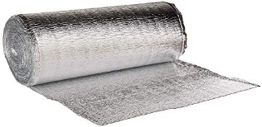
a5 | Plastic Sheet(4no. Walls + 1No.floor): Dimensions: 4x6 yard (3.5x5.35m) Weight: approx. (3.5 - 4.5) kg Manufacturing: made of woven high-density black polyethylene fibers, with reinforced rims by heat sealing on all sides. Quality: good quality | No. | 5.00 | $10.00 | $50.00
a6 | Nails: Steel galvanized round wire common nail (10D). Length: 3 Inch (76mm), Diameter: 3.75 mm, Box weight:1.0kg. Quality: good quality | Box | 1.00 | $2.00 | $2.00
a7 | Door Frame - Wooden Plate: 100mm width x 22mm depth x 4000mm length, Margin of tolerance: Width: 100 mm (±4 mm) Thickness: 22 mm (±2 mm) Length: 4000mm (± 40mm) Colour: white or brown. Quality: hard quality Moisture Level: dry as much as possible with moisture level (if any) must be between 9% to 15%. Shake, Cracks, free of cracks as much as possible. (4% max allowed in the bundle) Note: (plastic sheet shutter, measured under plastic sheet for wall) | No. | 1.00 | $5.00 | $5.00
a8 | Door Frame - Wooden Plate: 100mm width x 22mm depth x 3000mm length, Margin of tolerance: Width: 100 mm (±4 mm) Thickness: 22 mm (±2 mm) Length: 3000mm (± 30mm) Colour: white or brown. Quality: hard quality Moisture Level: dry as much as possible with moisture level (if any) must be between 9% to 15%. Shake, Cracks, free of cracks as much as possible. (4% max allowed in the bundle) Note: (plastic sheet shutter, measured under plastic sheet for wall) | No. | 1.00 | $4.00 | $4.00
a9 | Door Hinges: Dimensions: 100mm length, 50mm width with at least 3 holes for bolts. Quality: good quality staineless steel hinges, and complete with fixing screws. | No. | 3.00 | $1.00 | $3.00
a10 | Door Latch Barrel Bolt: Dimension: 200mm long (internal and external locks) Quality: good quality stainless steel straight barrel latch bolt, and complete with fixing screws . | No. | 2.00 | $1.50 | $3.00 | 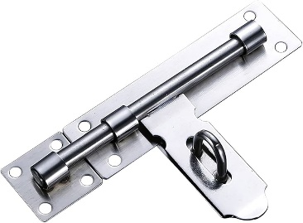
a11 | Pressing Lock with 3 key's: Dimension: 38mm Quality: good quality hard stainless steel | No. | 1.00 | $4.00 | $4.00
a12 | Steel handles: Dimension: 100 mm long (internal ) Quality: good quality stainless steel handle, and complete with fixing screws . | No | 2.00 | $1.00
B | Roof
b1 | Rafter - Wooden Pole: 50mm x 50mm x4000mm length, Margin of tolerance: Section size: 50mm x50mm (± 5mm) Length: 4000 mm (± 100 mm) Colour: white or brown. Quality: hard quality, heartwood Moisture Level: dry as much as possible with moisture level (if any) must be between 9% to 15%. Shake, Cracks, free of crack as much as possible. (40% max allowed in the bundle) | No. | 4.00 | $5.50 | $22.00
b2 | Purline - Wooden Plate: 100mm width x 22mm depth x 4000mm length, Margin of tolerance: Width: 100 mm (±4 mm) Thickness: 22 mm (±2 mm) Length: 4000mm (± 40mm) Colour: white or brown. Quality: hard quality Moisture Level: dry as much as possible with moisture level (if any) must be between 9% to 15%. Shake, Cracks, free of cracks as much as possible. (4% max allowed in the bundle) | No. | 4.00 | $5.00 | $20.00
b3 | Plastic Sheet(1No.Roof): Dimensions: 4x6 yard (3.5x5.35m) Weight: approx. (3.5 - 4.5) kg Manufacturing: made of woven high-density black polyethylene fibers, with reinforced rims by heat sealing on all sides. Quality: good quality | No. | 1.00 | $10.00 | $10.00
b4 | Thermal Insulation Foam: Roll 20m length x1.0m width x15mm thickness. Margin of tolerance: Width: 1000 mm (±10 mm) Thickness: 15 mm (±1 mm) Length: 20m (± 5cm) Colour: Plumbic or Silver. Quality: good quality | Roll | 1.00 | $37.00 | $37.00
B | Other Materials
b5 | Nails: Steel galvanized round wire common nail (6D). Length: 2 Inch (50mm), Diameter: 3 mm, Box weight:1.0kg. Quality: good quality | Box | 1.00 | $2.00 | $2.00
b5 | Metal Fender Washer: Inside Diameter: 5.3MM Margin tolerance: Outer Diameter: 24.5MM (± 3 mm) Inside Diameter: 5.3MM (± 0.3 mm) Thickness: 1.12 MM (± 0.1 mm) Box weight:1.0kg. Type: Metallic. More Details: The inside hole shall be convenient to insert a 2.5" nail easily. | Box | 0.50 | $2.00 | $1.00
...

6
 | BOQs - | GABLED ROOF EMERGENCY SHELTER - MODEL 2 5mx3m
 | Description | Unit | Qty | Unit cost (US$) | Amount ( US$) | Photos
 | Wall
 | Post - Wooden Pole: 75mm x 75mm x3000mm length, Margin of tolerance: section size: 75mm x75mm (± 5mm) length: 3000 mm (± 30 mm) Colour: white or brown. Quality: hard quality, heartwood Moisture Level: dry as much as possible with moisture level (if any) must be between 9% to 15%. Shake, Cracks, free of crack as much as possible. (40% max allowed in the bundle) | No. | 10.00 | $8.00 | $80.00 |  | 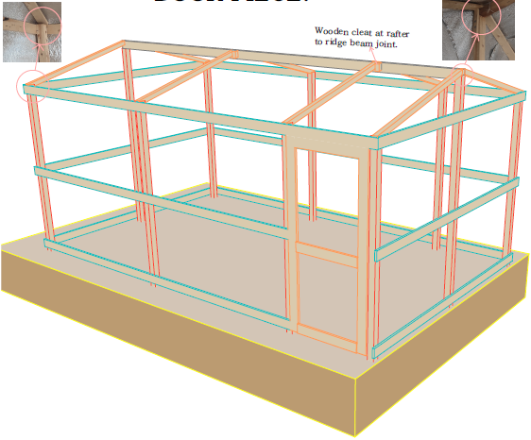
 | Girt Beam - Wooden Plate: 100mm width x 22mm depth x 4000mm length, Margin of tolerance: Width: 100 mm (±4 mm) Thickness: 22 mm (±2 mm) Length: 4000mm (± 40mm) Colour: white or brown. Quality: hard quality Moisture Level: dry as much as possible with moisture level (if any) must be between 9% to 15%. Shake, Cracks, free of cracks as much as possible. (4% max allowed in the bundle) | No. | 7.00 | $5.00 | $35.00 |  | 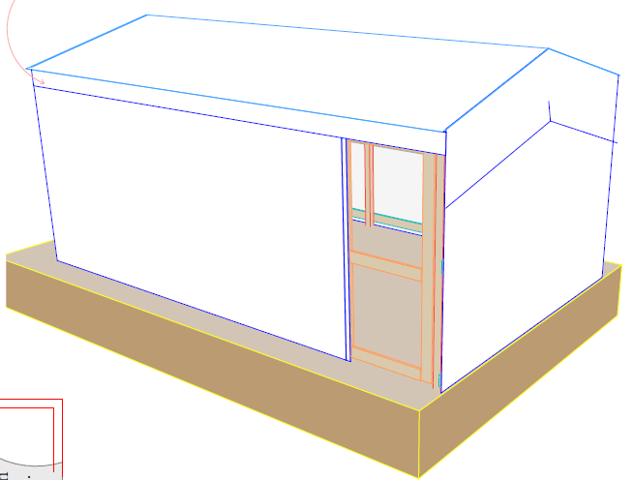
 | Girt Beam - Wooden Plate: 100mm width x 22mm thickness x 3000mm length. Margin tolerance: Width: 100 mm (±4 mm) Thickness: 22 mm (±2 mm) Length: 3000mm (± 30mm) Colour: white or brown. Quality: hard quality Moisture Level: dry as much as possible with moisture level (if any) must be between 9% to 15%. Shake, Cracks, free of cracks as much as possible (4% max allowed in the bundle) | No. | 6.00 | $4.00 | $24.00
 | Thermal Insulation Foam: Roll 20m length x1.0m width x15mm thickness. Margin of tolerance: Width: 1000 mm (±10 mm) Thickness: 15 mm (±1 mm) Length: 20m (± 5cm) Colour: Plumbic or Silver. Quality: good quality | roll | 1.50 | $37.00 | $55.50
 | Plastic Sheet(4no. Walls + 1No.floor): Dimensions: 4x6 yard (3.5x5.35m) Weight: approx. (3.5 - 4.5) kg Manufacturing: made of woven high-density black polyethylene fibers, with reinforced rims by heat sealing on all sides. Quality: good quality | No. | 5.00 | $10.00 | $50.00
 | Nails: Steel galvanized round wire common nail (10D). Length: 3 Inch (76mm), Diameter: 3.75 mm, Box weight:1.0kg. Quality: good quality | Box | 1.00 | $2.00 | $2.00
 | Door Frame - Wooden Plate: 100mm width x 22mm depth x 4000mm length, Margin of tolerance: Width: 100 mm (±4 mm) Thickness: 22 mm (±2 mm) Length: 4000mm (± 40mm) Colour: white or brown. Quality: hard quality Moisture Level: dry as much as possible with moisture level (if any) must be between 9% to 15%. Shake, Cracks, free of cracks as much as possible. (4% max allowed in the bundle) Note: (plastic sheet shutter, measured under plastic sheet for wall) | No. | 1.00 | $5.00 | $5.00
 | Door Frame - Wooden Plate: 100mm width x 22mm depth x 3000mm length, Margin of tolerance: Width: 100 mm (±4 mm) Thickness: 22 mm (±2 mm) Length: 3000mm (± 30mm) Colour: white or brown. Quality: hard quality Moisture Level: dry as much as possible with moisture level (if any) must be between 9% to 15%. Shake, Cracks, free of cracks as much as possible. (4% max allowed in the bundle) Note: (plastic sheet shutter, measured under plastic sheet for wall) | No. | 1.00 | $4.00 | $4.00
 | Door Hinges: Dimensions: 100mm length, 50mm width with at least 3 holes for bolts. Quality: good quality staineless steel hinges, and complete with fixing screws. | No. | 3.00 | $1.00 | $3.00
 | Door Latch Barrel Bolt: Dimension: 200mm long (internal and external locks) Quality: good quality stainless steel straight barrel latch bolt, and complete with fixing screws . | No. | 2.00 | $1.50 | $3.00
a11 | Pressing Lock with 3 key's: Dimension: 38mm Quality: good quality hard stainless steel | No. | 1.00 | $4.00 | $4.00
a12 | Steel handles: Dimension: 100 mm long (internal ) Quality: good quality stainless steel handle, and complete with fixing screws . | No | 2.00 | $1.00
B | Roof
b1 | Rafter - Wooden Pole: 50mm x 50mm x4000mm length, Margin of tolerance: Section size: 50mm x50mm (± 5mm) Length: 4000 mm (± 100 mm) Colour: white or brown. Quality: hard quality, heartwood Moisture Level: dry as much as possible with moisture level (if any) must be between 9% to 15%. Shake, Cracks, free of crack as much as possible. (40% max allowed in the bundle) | No. | 4.00 | $6.00 | $24.00
b2 | Purline - Wooden Plate: 100mm width x 50mm depth x 5000mm length, Margin of tolerance: Width: 100 mm (±4 mm) Thickness: 50 mm (±5 mm) Length: 5000mm (± 50mm) Colour: white or brown. Quality: hard quality Moisture Level: dry as much as possible with moisture level (if any) must be between 9% to 15%. Shake, Cracks, free of cracks as much as possible (40% max allowed in the bundle) | No. | 1.00 | $11.00 | $11.00
b3 | Plastic Sheet(1No.Roof): Dimensions: 4x6 yard (3.5x5.35m) Weight: approx. (3.5 - 4.5) kg Manufacturing: made of woven high-density black polyethylene fibers, with reinforced rims by heat sealing on all sides. Quality: good quality | No. | 1.00 | $10.00 | $10.00
b4 | Thermal Insulation Foam: Roll 20m length x1.0m width x15mm thickness. Margin of tolerance: Width: 1000 mm (±10 mm) Thickness: 15 mm (±1 mm) Length: 20m (± 5cm) Colour: Plumbic or Silver. Quality: good quality | roll | 1.00 | $37.00 | $37.00
C | Other Materials
c1 | Nylone Zip Cable Tie: To ( attached thermal insulation to wooden plates/poles). Margin of tolerance: Length: 12-inch (300 mm) (± 10) Width: 4mm, (± 0.5mm) Box: with 100 pcs Heavy Duty Nylon Cable Tie Wire Zip Ties Self Locking Tie Wraps Cable | Box | 0.50 | $4.00 | $2.00
c2 | Sisal Rope Length: 30m length Margin of tolerance: Length: 30m (± 0.5 m). Thickness: 5 mm (± 0.1 mm) Type: Natural Fiber | roll | 1 | $5.00 | $5.00
c3 | Nylon Rope Length: 30m length Margin of tolerance: Length: 30m (± 0.5 m). Thickness: 8 mm (± 0.1 mm) Type: Nylon | roll | 1 | $3.00 | $3.00 | 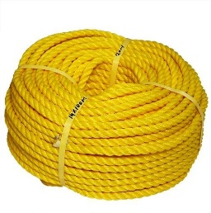
c4 | Nails: Steel galvanized round wire common nail (6D). Length: 2 Inch (50mm), Diameter: 3 mm, Box weight:1.0kg. Quality: good quality | Box | 1 | $2.00 | $2.00
c4 | Metal Fender Washer: Inside Diameter: 5.3MM Margin tolerance: Outer Diameter: 24.5MM (± 3 mm) Inside Diameter: 5.3MM (± 0.3 mm) Thickness: 1.12 MM (± 0.1 mm) Box weight:1.0kg. Type: Metallic. More Details: The inside hole shall be convenient to insert a 2.5" nail easily. | Box | 0.50 | $2.00 | $1.00
C | Tools
c1 | Saw: Size: 550 mm blade (± 20 mm ) (22’’) blade (hard point teeth in two different side), Materials: steel Stanley type Blade thickness: 0.90 mm (±0.05mm) Handle: plastic | No. | 1.00 | $5.00 | $5.00
c2 | Hammer: Head size: steel head 5.5 inch (13.5cm) (±7 mm) Head type: metal head with finger groove (claw) to remove the nails. Mirror polished, fine polished. Hammer weight (incl. head and handle): 0.650kg (±0.05kg) Materials: carbon steel Handle: Double colour plastic coating fiber glass handle. Handle length: 33 cm (±3cm) | No. | 1.00 | $4.00 | $4.00
c3 | Pickaxe: Head: Iron head with two pointy edge Size: 48 cm (± 3cm) for digger iron head) | No. | 1.00 | $6.00 | $6.00
c4 | Utility knife: Size: 100x18x0.5 mm (±0.06 mm in thickness) Type: steel series. Handle: plastic. | No. | 1.00 | $1.00 | $1.00
c5 | Measure Tape Meter: Type: metal measure tape Length: 5m Brand: Good Quality | No. | 1.00 | $1.50 | $1.50
c6 | Shovel: Type: Wooden stick with metal handle Head width: 300mm (± 30 mm) Head Length: 330mm (± 30 mm) Length: 1000 mm (± 100 mm) Brand: Good Quality | No. | 1.00 | $5.50 | $5.50
 | Total Materials Cost |  |  |  | $383.50
...

