Hawiga center map
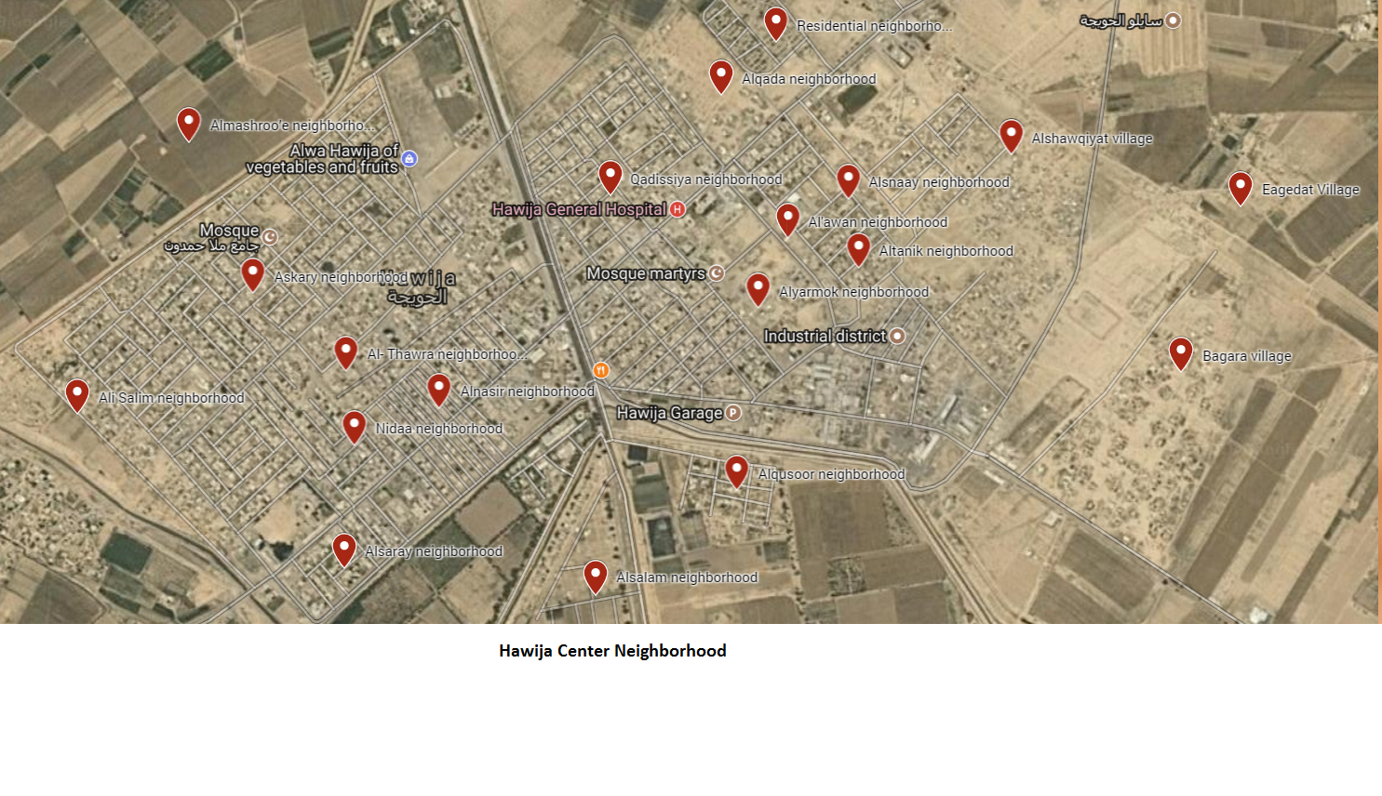

Al Riyadh center

Al Abbasi

