Instructions
Revised version (21 November, 2019)
Dear Partners,
The 4W tool is meant to provide an inventory of reporting activities on WHO does WHAT, WHERE, WHEN that fall under the Clusters. If your organization is planning to, or conducting or have conducted humanitarian responses for the Idai Response in Mozambique, please kindly fill in the '4W' sheet. The fields are self-explanatory. Please go through the instructions below and if you still have any questions on how to fill in this form or need technical assistance please do not hesitate to reach out to the IMOs or the coordinators for any technical questions regarding shelter and NFIs.
For the 4W process and the deadlines, please see the diagram
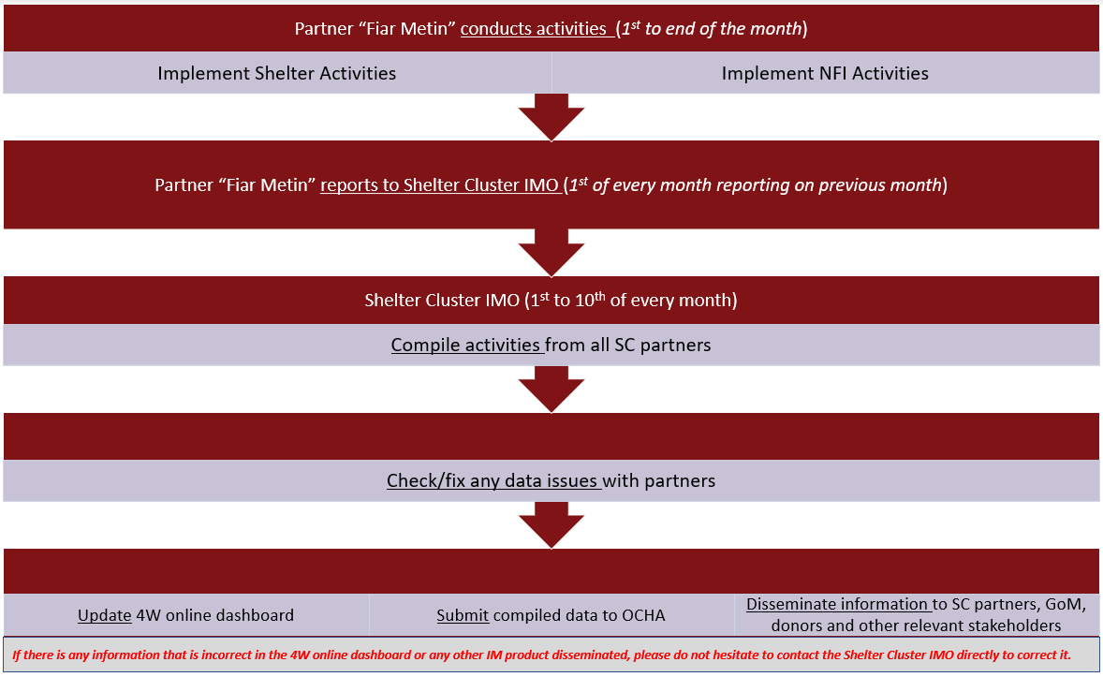

About the tool?
There are three sheets visible to users in this workbook: Instructions, Shelter 4W and NFI 4W
Instructions provides basic information on how to use this date reporting tool.
Shelter 4W is the main sheet which partners must use to report only Shelter related activities.
NFI 4W is the main sheet which partners must use to report only NFI related activities.

How to use the 4W sheet?
Shelter and NFI 4W are the main sheets which partners will use to enter the data.
Please make sure that:
Your organization fills a different line if:
The distribution is done in different locations (in a different Province, district, post, bairro) or locality type (resettlement site or host community)
There are 2 different response activity types (for example, if you are doing temporary shelter and permanent shelter in the same location, you need to report them separately in different rows)
WHO
Donor: Provide the name of your donor/s
Lead Organization: Provide the name of the lead organization. If you are the lead organization, please enter your organization name
Organization type: Select an organization type from the dropdown list
Implementing Partner: Provide the name of the implementing partner. If you are the organization implementing the program or making the distribution, please enter your organization name.
WHERE
Province: Select the province name from the dropdown list
Admin1CODE: This field is hidden so please ignore it because it is an automated field that will be populated once a province is chosen.
District: Select the district name from the dropdown list
Admin2CODE: This field is hidden so please ignore it because it is an automated field that will be populated once a district is chosen.
Post: Select the post name from the dropdown list
Locality: Provide the locality name (free text)
Village/Neighborhood: Provide the village/neighborhood name (free text)
Locality type: Select from the dropdown list on whether the locality type is in a resettlement site or in the local community.
Type of context: Select from the dropdown list on whether it is urban, peri-urban or rural
Please use the GPS format of decimal degrees as example below.
Latitude: (_ _).(_ _ _ _ _ _)
Example below
-19.233209
Longitude: (_ _).(_ _ _ _ _ _)
Example below
34.988967
WHAT (SHELTER)
Reminder
You will need to fill a different line if:
- The distribution is done in different locations (Province/District/Post/Bairro) or different location type (resettlement site or local community)
- There are 2 different activity types (for example, if you are doing temporary shelter and permanent shelter in the same location, you need to report them separately)
Temporary Shelter Solutions
Emergency Shelter kit (1) : Number of HHs that benefitted from Emergency Shelter kit
Tarpaulins: Depending on how many tarps your organization is providing, please enter the number of HHs that benefitted from 1 tarp or 2 tarps. Please do not enter the number of tarps distributed but enter the number of HHs that benefitted from the tarps. For example, 20 HHs benefitted from 2 tarps each.
Tents: Same as tarps (for example, 35 HHs benefited from tents)
Emergency Shelter upgrade (2): Number of HHs that benefitted from Emergency Shelter upgrade
Transitional Shelter (3): Number of HHs that benefitted from Transitional Shelter
Permanent Shelter Solutions
Repair & Retrofit (4) : If your organization is providing support to repair and or retrofit houses, please provide the number of HHs that benefitted from this support.
Upgradable Core House (5) : Provide the number of upgradable core houses planned, ongoing or built
Permanent House (6) :Provide the number of permanent houses planned, ongoing or built
Settlement Planning (7): If your organization is building permanent shelter, please provide information (yes/no) on weather a settlement planning was conducted.
Kits
Tool Kits: Equipment kit:
Construction Materials: Please provide how many HHs benefitted from construction materials and please provide details about the materials distributed in the last column additional comments. For example, 50 HHs benefitted from construction materials. These materials included, CGIs, bamboos, nails, etc.
Delivery Mechanism
Please specify on weather the delivery of this support was done in cash, voucher or in-kind.
Cash, Voucher/Cupom: If cash or voucher was used, please specify how many HHs benefitted from this delivery mechanism and also the amount of cash spent in each voucher.
In-kind Amount spent overall per HH (if known): if the organization can provide the estimate amount of money/cash spent in each HHs, please provide the amount. This can include the money spend in building permanent house, construction materials, etc.
Training
If any kind of technical training was provided, please answer yes/no to the relevant training (Technical assistance (SSRS) or Supervision or specialized training)
WHAT (NFIs)
Reminder
You will need to fill a different line if:
The distribution is done in different locations (Province/District/Post/Bairro) or different location type (resettlement site or local community)
With the same concept as data entry for Shelter, please provide the number that HHs benefited from NFIs (blankets, mats, mosquito nets, kitchen sets, plastic buckets, jerry cans and solar lights).
For the delivery mechanism please refer to shelter explanation above.
HH/IND REACHED
In this section please provide the number of HHs reached. The number of individuals will be calculated automatically using the Mozambican average of 5 individuals per HHs. If you know the actual number of individuals, please feel free to enter it manualy
WHEN: Enter the start and end dates and the status of the activity. The date format should be MM/DD/YYYY (December 31, 2015 will be entered as 31/12/2015). For the status, if the activity is planned, ongoing or completed, please select from the dropdown list accordingly.
Thank you for your cooperation!!!

